Morph ID Accuracy Review
This spreadsheet summarizes how accurate each member of the surveillance team was with their species identifications of different Culex speceis using PCR assays to confirm previous morphological IDs.

ADS Accuracy | Cx. pipiens | 12.J7 | 12.J11 | 12.J12 | 12.J20 | 12.J24 | 12.J26 | 12.I41 | 12.A16 | 12.A5 | 12.A19
ADS = Alden |  | 12.I44 | 12.I16 | 12.A37 | 12.A41 | 12.I29 | 12.I25 | 12.A25 | 12.A34 | 12.A2 | 12.A28
 | Cx. restuans | 12.J22 | 12.J29 | 12.J32 | 12.I17 | 12.A10 | 12.I36 | 12.I45 | 12.I42 | 12.I49 | 12.I14
 |  | 12.I15 | 12.A20 | 12.A14 | 12.A35 | 12.I27 | 12.A30 | 12.A31 | 14.J15 | 14.J17 | 14.J19
 | Cx. salinarius | XV.H1 | XV.G1 | XVIII.H2 | XVIII.H3 | XVIII.E1
HD Accuracy | Cx. pipiens | 10.I13 | 10.M57 | 10.M11 | 10.M22 | 10.M8 | 10.M54 | 10.M10 | 10.M53 | 10.M43 | 10.M16
HD = Hannah |  | 10.E9 | 10.E8 | 10.E7 | 10.E13 | 10.E12 | 10.I17 | 10.I18 | 10.I9 | 10.I5 | 9.N1
 | Cx. restuans | 10.I21 | 10.M66 | 10.M83 | 10.M73 | 10.M65 | 10.M69 | 10.E25 | 10.I36 | 9.K20 | 9.K21
 |  | 9.K22 | 9.K23 | 9.K24 | 9.K25 | 9.K26 | 10.I53 | 10.I59 | 10.I61 | 10.I46 | 10.I56
SR Accuracy: | Cx. salinarius | 8.L3 | 8.L4 | 8.L5 | 8.L9 | 8.L11
SR = Sydney | Proposed Order
 | Well 1 | Well 2 | Well 3 | Well 4 | Well 5 | Well 6 | Well 7 | Well 8 | Well 9 | Well 10 | Well 11 | Well 12 | Well 13 | Well 14 | Well 15 | Well 16 | Well 17 | Well 18 | Well 19 | Well 20 | Well 21 | Well 22 | Well 23 | Well 24
 | Ladder | NTC | C+ Pip | C+ Res | 12.J7 | 12.J11 | 12.J12 | 12.J20 | 12.J24 | 12.J26 | 12.I41 | 12.A16 | 12.A5 | 12.A19 | 12.I44 | 12.I16 | 12.A37 | 12.A41 | 12.I29 | 12.I25 | 12.A25 | 12.A34 | 12.A2 | 12.A28
 | Well 25 | Well 26 | Well 27 | Well 28 | Well 29 | Well 30 | Well 31 | Well 32 | Well 33 | Well 34 | Well 35 | Well 36 | Well 37 | Well 38 | Well 39 | Well 40 | Well 41 | Well 42 | Well 43 | Well 44 | Well 45 | Well 46 | Well 47 | Well 48
 | Ladder | NTC | C+ Pip | C+ Res | 12.J22 | 12.J29 | 12.J32 | 12.I17 | 12.A10 | 12.I36 | 12.I45 | 12.I42 | 12.I49 | 12.I14 | 12.I15 | 12.A20 | 12.A14 | 12.A35 | 12.I27 | 12.A30 | 12.A31 | 14.J15 | 14.J17 | 14.J19
 | Well 49 | Well 50 | Well 51 | Well 52 | Well 53 | Well 54 | Well 55 | Well 56 | Well 57 | Well 58 | Well 59 | Well 60 | Well 61 | Well 62 | Well 63 | Well 64 | Well 65 | Well 66 | Well 67 | Well 68 | Well 69 | Well 70 | Well 71 | Well 72
 | Ladder | NTC | C+ Pip | C+ Res | 10.I13 | 10.M57 | 10.M11 | 10.M22 | 10.M8 | 10.M54 | 10.M10 | 10.M53 | 10.M43 | 10.M16 | 10.E9 | 10.E8 | 10.E7 | 10.E13 | 10.E12 | 10.I17 | 10.I18 | 10.I9 | 10.I5 | 9.N1
 | Well 73 | Well 74 | Well 75 | Well 76 | Well 77 | Well 78 | Well 79 | Well 80 | Well 81 | Well 82 | Well 83 | Well 84 | Well 85 | Well 86 | Well 87 | Well 88 | Well 89 | Well 90 | Well 91 | Well 92 | Well 93 | Well 94 | Well 95 | Well 96
 | Ladder | NTC | C+ Pip | C+ Res | 10.I21 | 10.M66 | 10.M83 | 10.M73 | 10.M65 | 10.M69 | 10.E25 | 10.I36 | 9.K20 | 9.K21 | 9.K22 | 9.K23 | 9.K24 | 9.K25 | 9.K26 | 10.I53 | 10.I59 | 10.I61 | 10.I46 | 10.I56

 | Notes: | Well 9 may have 12.J20 &/or 12.J24
 |  | Well 33 may have 12.I17 &/or 12.A10
 |  | Made a hybrid 24 & 20 well plate, so wells 45-48 have not been filled

 | Results: | Totally failed. DNA was not properly isolated, so I wasn't able to determine species

 | Round 2:

 | Proposed Order
 | Well 1 | Well 2 | Well 3 | Well 4 | Well 5 | Well 6 | Well 7 | Well 8 | Well 9 | Well 10 | Well 11 | Well 12 | Well 13 | Well 14 | Well 15 | Well 16 | Well 17 | Well 18 | Well 19 | Well 20 | Well 21 | Well 22 | Well 23 | Well 24
 | Ladder | NTC | C+ Pip | C+ Res | 12.J7 | 12.J11 | 12.J12 | 12.J20 | 12.J24 | 12.J26 | 12.I41 | 12.A16 | 12.A5 | 12.A19 | 12.I44 | 12.I16 | 12.A37 | 12.A41 | 12.I29 | 12.I25 | 12.A25 | 12.A34 | 12.A2 | 12.A28
 | Well 25 | Well 26 | Well 27 | Well 28 | Well 29 | Well 30 | Well 31 | Well 32 | Well 33 | Well 34 | Well 35 | Well 36 | Well 37 | Well 38 | Well 39 | Well 40 | Well 41 | Well 42 | Well 43 | Well 44 | Well 45 | Well 46 | Well 47 | Well 48
 | Ladder | NTC | C+ Pip | C+ Res | 12.J22 | 12.J29 | 12.J32 | 12.I17 | 12.A10 | 12.I36 | 12.I45 | 12.I42 | 12.I49 | 12.I14 | 12.I15 | 12.A20 | 12.A14 | 12.A35 | 12.I27 | 12.A30 | 12.A31 | 14.J15 | 14.J17 | 14.J19
 | Well 49 | Well 50 | Well 51 | Well 52 | Well 53 | Well 54 | Well 55 | Well 56 | Well 57 | Well 58 | Well 59 | Well 60 | Well 61 | Well 62 | Well 63 | Well 64 | Well 65 | Well 66 | Well 67 | Well 68 | Well 69 | Well 70 | Well 71 | Well 72
 | Ladder | NTC | C+ Pip | C+ Res | 10.I13 | 10.M57 | 10.M11 | 10.M22 | 10.M8 | 10.M54 | 10.M10 | 10.M53 | 10.M43 | 10.M16 | 10.E9 | 10.E8 | 10.E7 | 10.E13 | 10.E12 | 10.I17 | 10.I18 | 10.I9 | 10.I5 | 9.N1
 | Well 73 | Well 74 | Well 75 | Well 76 | Well 77 | Well 78 | Well 79 | Well 80 | Well 81 | Well 82 | Well 83 | Well 84 | Well 85 | Well 86 | Well 87 | Well 88 | Well 89 | Well 90 | Well 91 | Well 92 | Well 93 | Well 94 | Well 95 | Well 96
 | Ladder | NTC | C+ Pip | C+ Res | 10.I21 | 10.M66 | 10.M83 | 10.M73 | 10.M65 | 10.M69 | 10.E25 | 10.I36 | 9.K20 | 9.K21 | 9.K22 | 9.K23 | 9.K24 | 9.K25 | 9.K26 | 10.I53 | 10.I59 | 10.I61 | 10.I46 | 10.I56

Salinarius Run: | Well 1 | Well 2 | Well 3 | Well 4 | Well 5 | Well 6 | Well 7 | Well 8 | Well 9 | Well 10 | Well 11 | Well 12 | Well 13 | Well 14 | Well 15 | Well 16 | Well 17 | Well 18 | Well 19 | Well 20
 | Ladder | NTC | C+ Pip | C+ Res | XV.H1 | XV.G1 | XVIII.H2 | XVIII.H3 | XVIII.E1 | 8.L3 | 8.L4 | 8.L5 | 8.L9 | 8.L11

Round 3: Broken Up Runs | Well 1 | Well 2 | Well 3 | Well 4 | Well 5 | Well 6 | Well 7 | Well 8 | Well 9 | Well 10 | Well 11 | Well 12 | Well 13 | Well 14 | Well 15 | Well 16 | Well 17 | Well 18 | Well 19 | Well 20 | Well 21 | Well 22 | Well 23 | Well 24
 | Ladder | C+ Pip | NTC | C+ Res | 12.J7 | 12.J11 | 12.J12 | 12.J20 | 12.J24 | 12.J26 | 12.I41 | 12.A16 | 12.A5 | 12.A19 | 12.I44 | 12.I16 | 12.A37 | 12.A41 | 12.I29 | 12.I25 | 12.A25 | 12.A34 | 12.A2 | 12.A28
Ran at 150V for 38 min
Ran on The medium wells so the next gel goes to the top

 | Well 25 | Well 26 | Well 27 | Well 28 | Well 29 | Well 30 | Well 31 | Well 32 | Well 33 | Well 34 | Well 35 | Well 36 | Well 37 | Well 38 | Well 39 | Well 40 | Well 41 | Well 42 | Well 43 | Well 44 | Well 45 | Well 46 | Well 47 | Well 48
 | Ladder | NTC | C+ Pip | C+ Res | 12.J22 | 12.J29 | 12.J32 | 12.I17 | 12.A10 | 12.I36 | 12.I45 | 12.I42 | 12.I49 | 12.I14 | 12.I15 | 12.A20 | 12.A14 | 12.A35 | 12.I27 | 12.A30 | 12.A31 | 14.J15 | 14.J17 | 14.J19

 | Well 49 | Well 50 | Well 51 | Well 52 | Well 53 | Well 54 | Well 55 | Well 56 | Well 57 | Well 58 | Well 59 | Well 60 | Well 61 | Well 62 | Well 63 | Well 64 | Well 65 | Well 66 | Well 67 | Well 68 | Well 69 | Well 70 | Well 71 | Well 72
 | Ladder | NTC | C+ Pip | C+ Res | 10.I13 | 10.M57 | 10.M11 | 10.M22 | 10.M8 | 10.M10 | 10.M54 | 10.M53 | 10.M43 | 10.M16 | 10.E9 | 10.E8 | 10.E7 | 10.E13 | 10.E12 | 10.I17 | 10.I18 | 10.I9 | 10.I5 | 9.N1

 | Well 73 | Well 74 | Well 75 | Well 76 | Well 77 | Well 78 | Well 79 | Well 80 | Well 81 | Well 82 | Well 83 | Well 84 | Well 85 | Well 86 | Well 87 | Well 88 | Well 89 | Well 90 | Well 91 | Well 92 | Well 93 | Well 94 | Well 95 | Well 96
 | Ladder | NTC | C+ Pip | C+ Res | 10.I21 | 10.M66 | 10.M83 | 10.M73 | 10.M65 | 10.M69 | 10.E25 | 10.I36 | 9.K20 | 9.K21 | 9.K22 | 9.K23 | 9.K24 | 9.K25 | 9.K26 | 10.I53 | 10.I59 | 10.I61 | 10.I46 | 10.I56

Round 4: Amplifying the Amplified primer | Well 25 | Well 26 | Well 27 | Well 28 | Well 29 | Well 30 | Well 31 | Well 32 | Well 33 | Well 34 | Well 35 | Well 36 | Well 37 | Well 38 | Well 39 | Well 40 | Well 41 | Well 42 | Well 43 | Well 44 | Well 45 | Well 46 | Well 47 | Well 48
 | Ladder | NTC | C+ Pip | C+ Res | 12.J22 | 12.J29 | 12.J32 | 12.I17 | 12.A10 | 12.I36 | 12.I45 | 12.I42 | 12.I49 | 12.I14 | 12.I15 | 12.A20 | 12.A14 | 12.A35 | 12.I27 | 12.A30 | 12.A31 | 14.J15 | 14.J17 | 14.J19

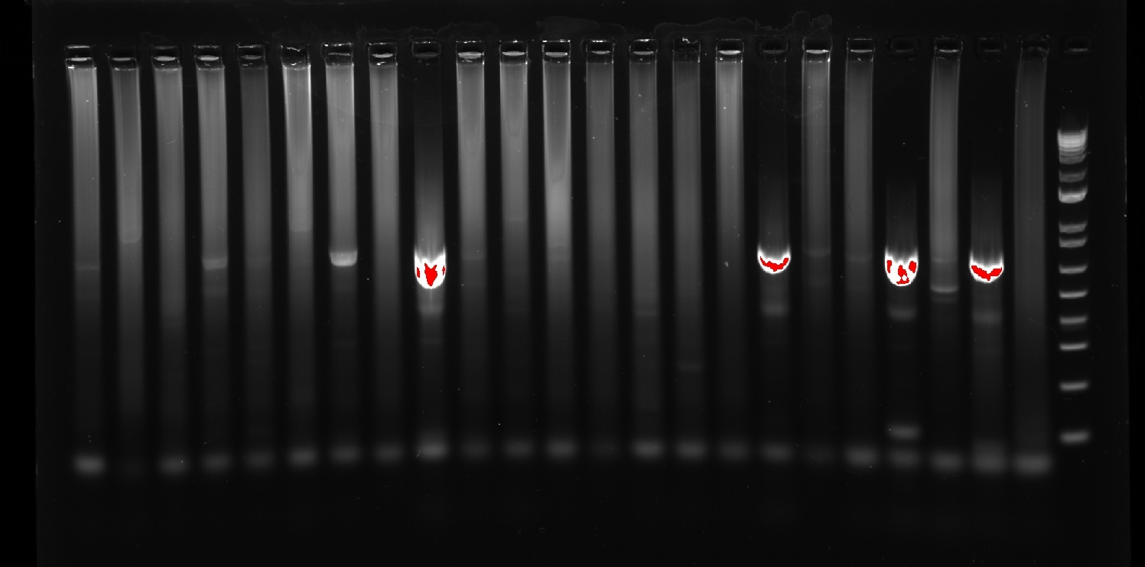
 | 48 |  |  |  |  |  |  |  |  |  |  |  | 25

Round 5: New gDNA for Restuans testing | Well 1 | Well 2 | Well 3 | Well 4 | Well 5 | Well 6 | Well 7 | Well 8 | Well 9 | Well 10 | Well 11 | Well 12 | Well 13 | Well 14 | Well 15 | Well 16 | Well 17 | Well 18 | Well 19 | Well 20 | Well 21 | Well 22 | Well 23 | Well 24
2022-08-24 | Ladder | NTC | C+ Pip | C+ Res | 10.E24 | 10.E18 | 10.E15 | 10.I50 | 10.I49 | 10.I28 | 10.I29 | 7.I25 | 7.I36 | 7.I37 | 13.K8 | 13.K9 | 13.K10 | 13.K11 | 13.K12 | 14.M20 | 15.A1 | 15.A2 | 15.A7 | 15.A8
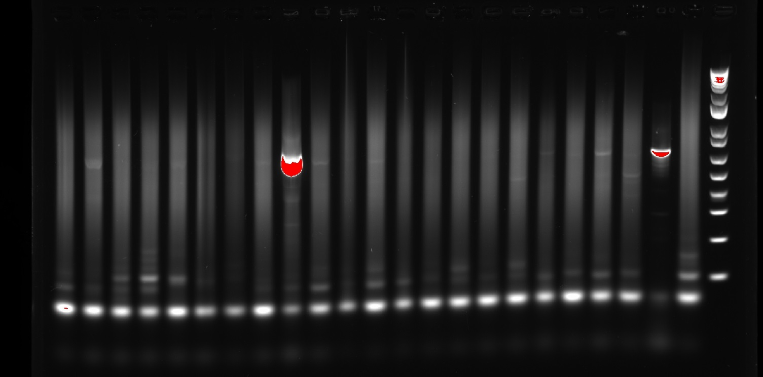
 |  |  |  |  |  |  |  |  |  |  |  |  |  |  | Seems to me like the restuans primer is too denatured from being defrosted and frozen like, 20+ times. Gonna use my decontamination check primers instead of the LGS ones next run

Round 6: gDNA from Round 5, and different 10 mmol primers used | Well 1 | Well 2 | Well 3 | Well 4 | Well 5 | Well 6 | Well 7 | Well 8 | Well 9 | Well 10 | Well 11 | Well 12 | Well 13 | Well 14 | Well 15 | Well 16 | Well 17 | Well 18 | Well 19 | Well 20 | Well 21 | Well 22 | Well 23 | Well 24
2022-08-25 | Ladder | C+ Pip | NTC | C+ Res | 10.E24 & 10.E18 | 10.E18 | 10.E15 | 10.I50 | 10.I49 | 10.I28 | 10.I29 | 7.I25 | 7.I36 | 7.I37 | 13.K8 | 13.K9 | 13.K10 | 13.K11 | 13.K12 | 14.M20 | 15.A1 | 15.A2 | 15.A7 | 15.A8
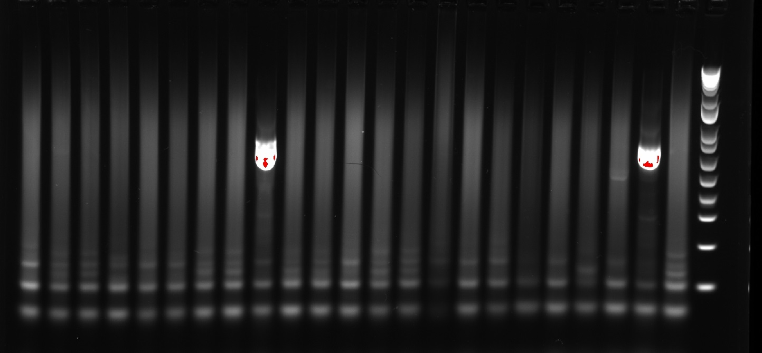

Looks basically the same. Apparently, the hot plate is poorly calibrated, and these samples have had their DNA isolated at a temperature more akin to ~90 C rather than 98 C. Will talk to MM on how to go about fixing that... new samples, or can I reheat the gDNA???

Round 7: GeneJET Edition | Well 1 | Well 2 | Well 3 | Well 4 | Well 5 | Well 6 | Well 7 | Well 8 | Well 9 | Well 10 | Well 11 | Well 12 | Well 13 | Well 14 | Well 15 | Well 16 | Well 17 | Well 18 | Well 19 | Well 20 | Well 21 | Well 22 | Well 23 | Well 24
 | Ladder | NTC | C+ Pip | C+ Res | 10.E24 | 10.E18 | 10.E15 | 10.I50 | 10.I49 | 10.I28 | 10.I29 | 7.I25 | 7.I36 | 7.I37 | 13.K8 | 13.K9 | 13.K10 | 13.K11 | 13.K12 | 14.M20 | 15.A1 | 15.A2 | 15.A7 | 15.A8
2022-08-29
Leg Extraction Portions: |  | N/A | Abdomen | Abdomen | leg | leg | leg | leg | leg | head | 2 legs | leg | wing | head & thorax? very beat up | leg | leg | head & thorax | leg | leg & wing | leg | t | leg & wing | leg | leg

Differences with this extraction:
1. Will use GeneJET kit to extract the gDNA. Used 10% bleach rather than heat to decontaminate the dissection tools between samples
2. WIll use the DreamTaq kit to expedite the time loss of the GeneJET
NOTE: Be sure that, while incubating, I vortex/spin down the samples for better yield

Step-by-step
1. Samples had a portion dissected and placed into a separate test tube. Then 180 microliters of digestion solution (vortexed) was added to each test tube
2. Samples were mechanically ground with a mortar
4. 20 microliters of Proteinase K (vortexed & spun down) was added to each test tube
5. the 1.5 mL test tubes were vortexed and spun down, then loaded into a poorly calibrated hot plate that initially was set to 56C, but now is at 75C before the thermometer was at 56C (BAD), but then we had to lower the temperature again to ____
Every 20 minutes, the samples were removed, vortexed, then spun down
6. After 1 hr, the samples were removed from the heat block, then 20 microliters of RNase A sln (vortexed & spun down) was added). All samples were then vortexed, spun down, and incubated at RT for 10 min
7. Add 400 microliters of 50% EtOH and mix by pipetting or vortexing
8. Transfer the prepared lysate to a GeneJET Genomic DNA Purification Column inserted in a colleciton tube. Centrifuge the column for 1 min at 6000 x g.
9. Added 500 microliters of Wash Buffer 1 w/ EtOH, then centrifuged for 1 min @ 8000 x g. Discarded the flowthrough & placed the purification columbn back into the collection tube
10. Added 500 microliters of Wash Buffer 2 w/ EtOH to the top part. Centrifuged for 3 min @ 13100 x g, emptied the tube, then centrifuged again for 1 min @ 13000 x g. Discarded any remaining stuff from the bottom tube
11. Added 100 microliters of water, applied directly to the middle of the column, then incubated at RT for ~5 min (time not recorded), centrifuged for 2 min at 8000 x g.
12. Column was then discarded, and the cap for the 1.5 mL tube was added back on top and stored @ -20C

Note: 14.M20's lid came off during the vortex and spin down after the RNAse was added
A7 was accidentally yeeted into the trash, salvaged, then stored. Whoops

2022-08-30
DreamTaq Stuff:
1. Assemble the Master Mix under the recipe below w/ all solutions vortexed and spun down before use
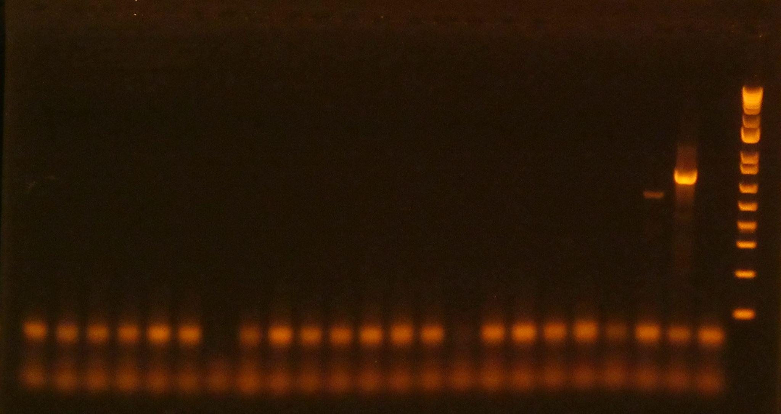
Master Mix Conditions:

H20 | Remainder | 4 | 96.8
DreamTaq Green Master Mix |  | 10 | 242
Cx.R1 | 0.5 mMol | 1 | 24.2
Cx.R2 | 0.5 mMol | 1 | 24.2
Cx.R3 | 0.5 mMol | 1 | 24.2
Univ.FW | 0.5 mMol | 1 | 24.2
Dilution DNA |  | 2 microL

Amplification Program:

"DTCRAB"
Lid: 105C
Volume: 20 microL
1. 95C, 3 min
2. 95C, 30 sec
3. 46.5C, 30 sec
4. 72C, 30 sec
5. GOTO step 2, 39X
6. 72C, 5 min
7. 12C, infinite

Notes for next time:
It seems like the issue was using degraded DNA, and not using enough. For my next run, I should use the Phire Animal Tissue Direct Kit for more gDNA yield, and select samples with legs that have remained in the -20 freezer and not used in dissection (prioritize these samples) or (if there aren't enough of those legs) take whole bodied mosquitoes and grind them up manually before Phire kit gDNA extraction
However, this indicator shows that the bloodmeal analysis should work for abdomens for both the mosquito and the blood of a mammal

Round 8: Finding new leg samples, and running them through Phire gDNA extraction and Phire animal tissue direct kit for amplification | Well 1 | Well 2 | Well 3 | Well 4 | Well 5 | Well 6 | Well 7 | Well 8 | Well 9 | Well 10 | Well 11 | Well 12 | Well 13 | Well 14 | Well 15 | Well 16 | Well 17 | Well 18 | Well 19 | Well 20 | Well 21 | Well 22 | Well 23 | Well 24
 | Ladder | NTC | C+ Pip | C+ Res | 14.J20 | 12.I4 | 7.A51 | 7.A50 | 7.A49 | 15.A12 | 15.A13 | 15.A14 | 13.E12 | 13.E11 | 12.A7 | 8.I12 | 8.I18 | 8.C21 | 8.J16 | 8.J5 | 8.J11 | 8.N1 | 7.I49 | 7.I34
 | IDed By: |  |  |  | ADS - 27 Jan | ADS - 2 Feb | ADS - 8 Dec | ADS - 8 Dec | ADS - 8 Dec | ADS - 20 Jan | ADS - 20 Jan | ADS - 20 Jan | ADS - 6 Dec | ADS - 6 Dec | HRD - 10 Feb | HRD - 6 Dec | HRD - 6 Dec | HRD - 6 Dec | HRD - 7 Dec | HRD - 7 Dec | HRD - 7 Dec | HRD - 7 Dec | HRD - 7 Dec | HRD - 7 Dec
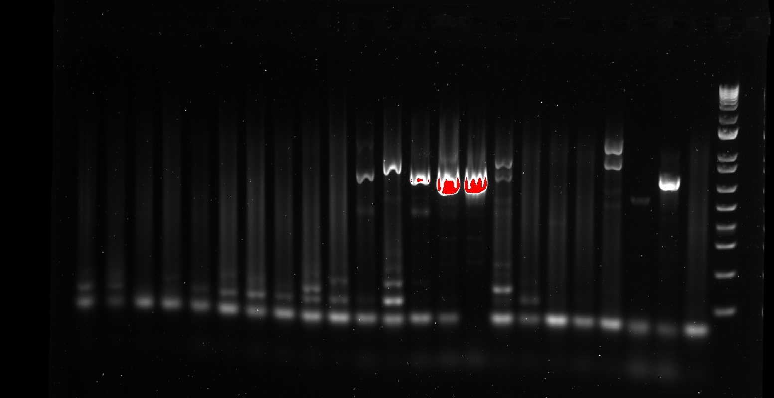
Legs stored in legs extracted box #1
1 Sept 2022 @ 1:43
gDNA Extraction
20 microliters of dilution buffer & .5 microliters of DNA Release. Left @ RT for 5 min, then 5 min at ~90.6C

H20 | 4.6 | 111.32
Phire Animal Tissue PCR Buffer | 10 | 242
Primer FW | 1 | 24.2
Primer Re1 | 1 | 24.2
Primer Re2 | 1 | 24.2
Primer Re3 | 1 | 24.2
Phire Hot Start 2 | 0.4 | 9.68
Dilution DNA | 1

I... I don't even know. I'm going to start the next run from the extracted genes. I know the restuans strain should be there much more, because it was the same stuff as last run. Womp Womp

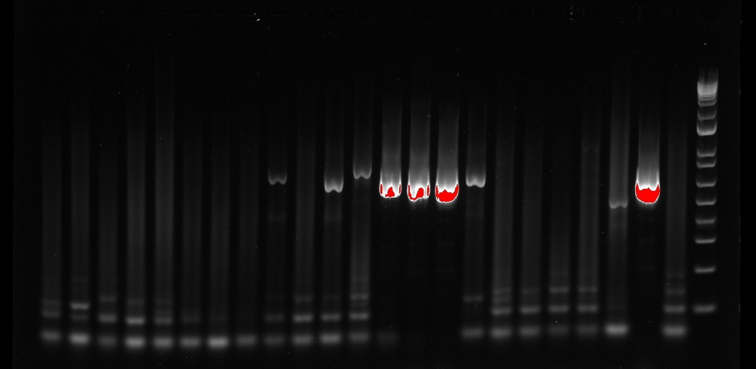
Round 9: Repeating Round 8 with the same extracted gDNA | Well 1 | Well 2 | Well 3 | Well 4 | Well 5 | Well 6 | Well 7 | Well 8 | Well 9 | Well 10 | Well 11 | Well 12 | Well 13 | Well 14 | Well 15 | Well 16 | Well 17 | Well 18 | Well 19 | Well 20 | Well 21 | Well 22 | Well 23 | Well 24
6 Sept 2022 | Ladder | NTC | C+ Pip | C+ Res | 14.J20 | 12.I4 | 7.A51 | 7.A50 | 7.A49 | 15.A12 | 15.A13 | 15.A14 | 13.E12 | 13.E11 | 12.A7 | 8.I12 | 8.I18 | 8.C21 | 8.J16 | 8.J5 | 8.J11 | 8.N1 | 7.I49 | 7.I34
 |  |  | Taken from GeneJET run | Taken from GeneJET run
H20 | 4.6 | 121.44 |  |  |  |  |  |  |  |  |  |  |  |  |  |  |  |  |  |  | Version on 0.25 sec for light exposure
Phire Animal Tissue PCR Buffer | 10 | 264
Primer FW | 1 | 26.4
Primer Re1 | 1 | 26.4
Primer Re2 | 1 | 26.4
Primer Re3 | 1 | 26.4
Phire Hot Start 2 | 0.4 | 10.56
Dilution DNA | 1
Note: Phire ATD PCR Buffer added last
Note: gDNA was mixed by pipetting, not flicking then spinning down. PCR Tubes were however flicked and tapped down before loading into the PCR machine

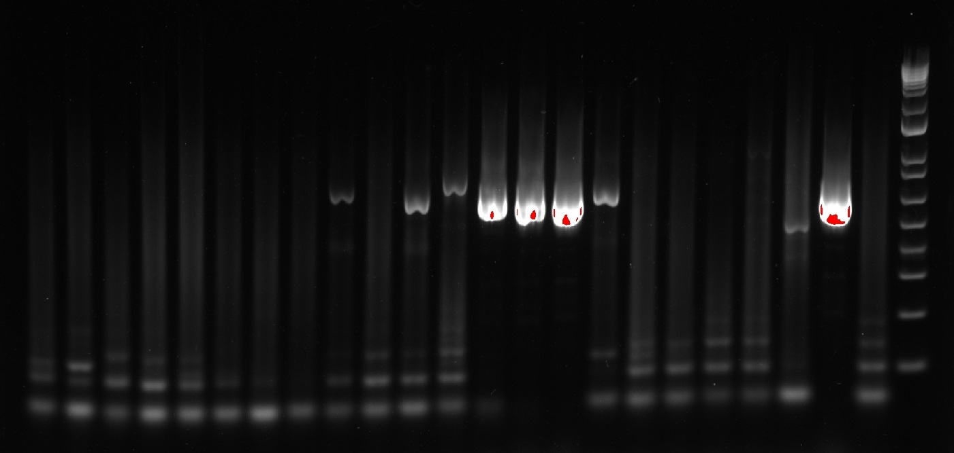

 |  |  |  |  |  |  |  |  |  |  |  |  |  |  |  |  | Version on 0.125 sec for light exposure

7 Sept 2022 | Well 1 | Well 2 | Well 3 | Well 4 | Well 5 | Well 6 | Well 7 | Well 8 | Well 9 | Well 10 | Well 11 | Well 12 | Well 13 | Well 14 | Well 15 | Well 16 | Well 17 | Well 18 | Well 19 | Well 20 | Well 21 | Well 22 | Well 23 | Well 24
Round 10: The final round of Cx. restuans ID attempts | Ladder | NTC | C+ Pip | C+ Res | 7.A43 | 7.A44 | 7.A46 | 7.A48 | 14.I21 | 13.A31 | 13.A32 | 13.A35 | 15.I19 | 15.I20 | 10.M100 | 10.M86 | 10.M90 | 10.J98 | 10.J56 | 10.J26 | 10.J116 | 10.J65 | 10.J117 | 10.J106
 | IDed by: |  |  |  | ADS - 8 Dec | ADS - 8 Dec | ADS - 8 Dec | ADS - 8 Dec | ADS - 6 Dec | ADS - 6 Dec | ADS - 6 Dec | ADS - 6 Dec | ADS - 6 Dec | ADS - 6 Dec | HRD - 17 Nov | HRD - 17 Nov | HRD - 17 Nov | HRD - 17 Nov | HRD - 17 Nov | HRD - 17 Nov | HRD - 18 Nov | HRD - 18 Nov | HRD - 18 Nov | HRD - 18 Nov
Differences with this extraction:
1. Will use GeneJET for gDNA extraction
2. Will use whole-bodied "rejects" stored in the -70C freezer from the culverts
3. On the hot-plate, will vortex and spin down every 15 minutes, not every 20 min
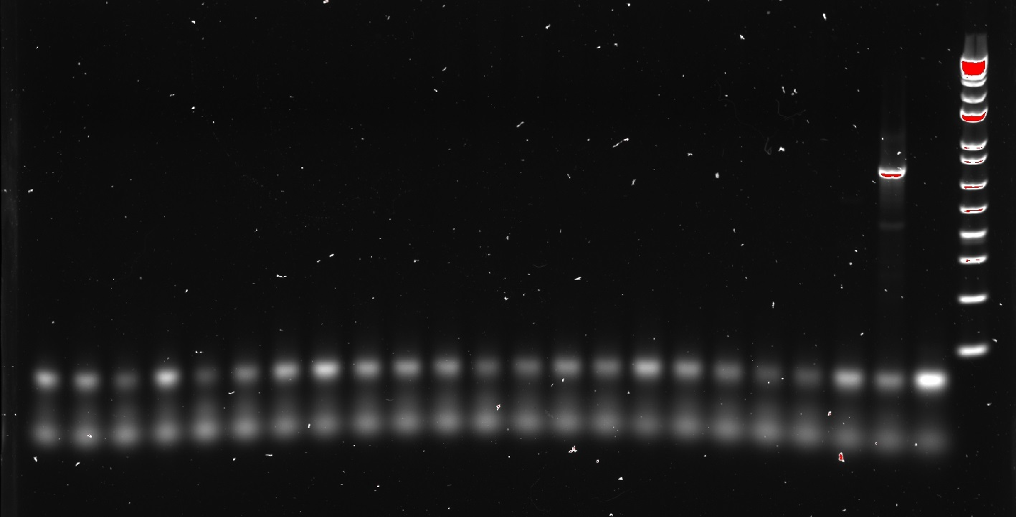
4. Will use DreamTAQ

8 Sept 2022

1. 180 microliters of digestion solution (vortexed) was added to each test tube
2. Whole body Samples were manually ground with a mortar
Had to go do some work for Joe. Came back 30 minutes later. Kept the samples in the -20 freezer, still in their ice cooler
4. 20 microliters of Proteinase K (vortexed & spun down) was added to each test tube
5. the 1.5 mL test tubes were vortexed and spun down, then loaded into a poorly calibrated hot plate that initially was set to 67C, but actually was 56C
For the first hour, every 15 minutes (3x total, at roughly 15, 30, & 45 minute intervals), the samples were removed, vortexed, then spun down
6. The samples were suspended on the hot plate for an additional 1 hr. Then, the samples were removed from the heat block, then 20 microliters of RNase A sln (vortexed & spun down) was added). All samples were then vortexed, spun down, and incubated at RT for 10 min
7. Add 400 microliters of 50% EtOH and mix by pipetting or vortexing
8. Transfer the prepared lysate to a GeneJET Genomic DNA Purification Column inserted in a colleciton tube. Centrifuge the column for 1 min at 6000 x g.
9. Added 500 microliters of Wash Buffer 1 w/ EtOH, then centrifuged for 1 min @ 8000 x g. Discarded the flowthrough & placed the purification columbn back into the collection tube
10. Added 500 microliters of Wash Buffer 2 w/ EtOH to the top part. Centrifuged for 3 min @ 13100 x g, emptied the tube, then centrifuged again for 1 min @ 13000 x g. Discarded any remaining stuff from the bottom tube
11. Added 100 microliters of water, applied directly to the middle of the column, then incubated at RT for ~5 min (time not recorded), centrifuged for 2 min at 8000 x g.
12. Column was then discarded, and the cap for the 1.5 mL tube was added back on top and stored @ -20C

H20 | Remainder | 4 | 96.8
DreamTaq Green Master Mix |  | 10 | 242
Cx.R1 | 0.5 mMol | 1 | 24.2
Cx.R2 | 0.5 mMol | 1 | 24.2
Cx.R3 | 0.5 mMol | 1 | 24.2
Univ.FW | 0.5 mMol | 1 | 24.2
Dilution DNA |  | 2 microL

25 Sept 2022
Round 11: GeneJET Isolation with Bloodmeal analyses procedure, except whole bodies, not just abdomen
 |  |  | NanoDrop Results:
Samples Dissected: |  | Who IDed? | ng/microL | A260/A280 | A260/A230
C+ Cx. restuans 1 |  | JR | 8.8 | 1.86 | 1.12
C+ Cx. restuans 2 |  | JR | 4.4 | 1.59 | 0.94
C+ Cx. restuans 3 |  | JR | 7.5 | 1.65 | 1.04
C+ Cx. restuans 4 |  | JR | 3.2 | 1.6 | 0.95
7.A52 |  | ADS | 2.9 | 1.36 | 0.57
11.I4 |  | ADS | 14.3 | 1.67 | 0.76
11.I10 |  | ADS | 6.3 | 1.72 | 0.87
11.I7 |  | ADS | 5.1 | 2.04 | 0.83
11.N2 | Dissected Sample | ADS | 4 | 1.61 | 0.71
22.J8 | Dissected Sample | ADS | 3.7 | 1.4 | 0.58
22.I6 | Dissected Sample | ADS | 3.1 | 1.28 | 0.74
22.I8 | Dissected Sample | ADS | 5.3 | 1.42 | 0.67
22.I9 | Dissected Sample | ADS | 4.8 | 1.45 | 0.76
23.I6 | Dissected Sample | ADS | 3.7 | 1.25 | 0.51
10.M68 |  | HRD | 5.4 | 1.27 | 0.68
10.M67 |  | HRD | 5.1 | 1.6 | 0.78
10.M62 |  | HRD | 3.4 | 1.63 | 1.02
10.M70 | Some spilled at step 3 | HRD | 10.8 | 1.42 | 0.69
10.M79 |  | HRD | 3.5 | 1.56 | 0.89
10.M74 |  | HRD | 3.1 | 1.57 | 0.83
10.M87 |  | HRD | 3 | 1.47 | 0.84
10.M84 |  | HRD | 2.9 | 1.52 | 0.84
10.I33 |  | HRD | 2.8 | 1.86 | 1.42
10.I52 |  | HRD | 5.1 | 1.64 | 0.86

1. 180 microliters of digestion solution (vortexed) was added to each test tube
2. 20 microliters of Proteinase K (vortexed & spun down) was added to each test tube
3. Abdomens were manually ground with a mortar. half of 10.M70 spilled out
4. the 1.5 mL test tubes were vortexed and spun down, then loaded into a poorly calibrated hot plate that initially was set to 67C, but actually was 56C
On hot plate for 1 hr 45 min, vortexed and spun down every 15 min
5. The samples were removed from the heat block, then 20 microliters of RNase A sln (vortexed & spun down) was added). All samples were then vortexed, spun down, and incubated at RT for 10 min
6. 200 microliters of lysis sln was added, then the samples were vortexed for 15 sec, then spun down
7. Added 400 microliters of 50% EtOH and mixed by vortexing
8. Samples centrifuged for 1 minute at 16,000 gs. Then, pipette the samples' solution without picking up the chunk of solids at the bottom (failed for _____, but didn't pick up the precipitate clump for the other samples)
9. Transfer the prepared lysate to a GeneJET Genomic DNA Purification Column inserted in a colleciton tube. Centrifuge the column for 1 min at 6000 x g.
10. Added 500 microliters of Wash Buffer 1 w/ EtOH, then centrifuged for 1 min @ 8000 x g. Discarded the flowthrough & placed the purification columbn back into the collection tube
11. Added 500 microliters of Wash Buffer 2 w/ EtOH to the top part. Centrifuged for 3 min @ 13100 x g, emptied the tube, then centrifuged again for 1 min @ 13000 x g. Discarded any remaining stuff from the bottom tube
12. Added 100 microliters of water, applied directly to the middle of the column, then incubated at RT for ~5 min (time not recorded), centrifuged for 2 min at 8000 x g.
13. Column was then discarded, and the cap for the 1.5 mL tube was added back on top, stored in the fridge until nanodropped, then stored @ -20C

2022-10-04 | Well 1 | Well 2 | Well 3 | Well 4 | Well 5 | Well 6 | Well 7 | Well 8 | Well 9 | Well 10 | Well 11 | Well 12 | Well 13 | Well 14 | Well 15 | Well 16 | Well 17 | Well 18 | Well 19 | Well 20 | Well 21 | Well 22 | Well 23 | Well 24
Round 11 Continued: | Ladder | NTC | C+ Pip | C+ Res | 7.A52 | 11.I4 | 11.I10 | 11.I7 | 11.N2 | 22.J8 | 22.I6 | 22.I8 | 22.I9 | 23.I6 | 10.M68 | 10.M67 | 10.M62 | 10.M70 | 10.M79 | 10.M74 | 10.M87 | 10.M84 | 10.I33 | 10.I52
 | IDed by: |  |  | JR | ADS | ADS | ADS | ADS | ADS | ADS | ADS | ADS | ADS | ADS | HRD | HRD | HRD | HRD | HRD | HRD | HRD | HRD | HRD | HRD
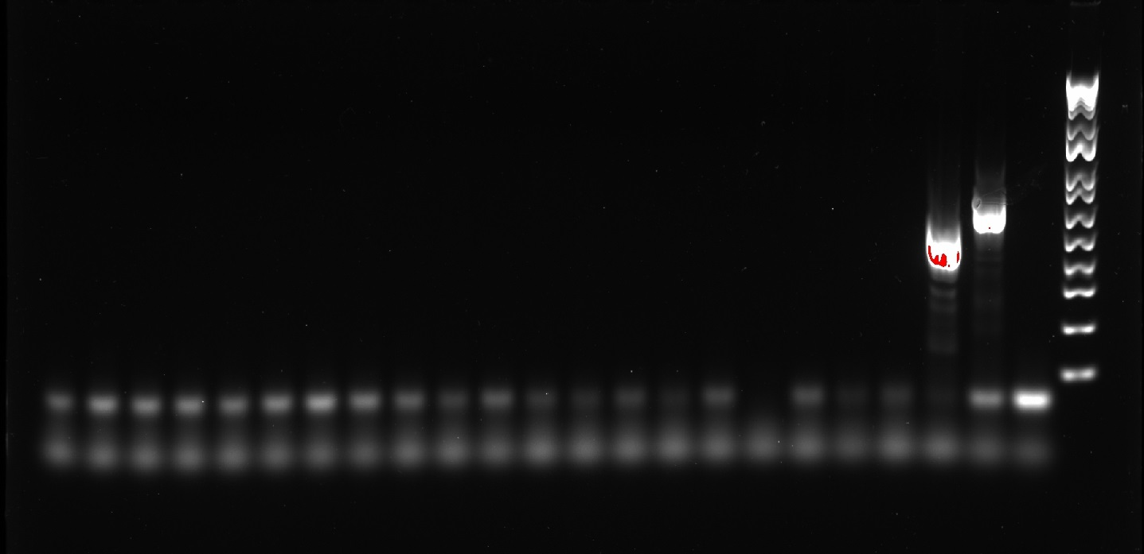
Culex ID: |  |  |  | Added?
H20 | Remainder | 4 | 101.2 | Y
DreamTaq Green Master Mix |  | 10 | 253 | Y
Cx.R1 | 0.5 mMol | 1 | 25.3 | Y
Cx.R2 | 0.5 mMol | 1 | 25.3 | Y
Cx.R3 | 0.5 mMol | 1 | 25.3 | Y
Univ.FW | 0.5 mMol | 1 | 25.3 | Y
Dilution DNA |  | 2 microL

 |  |  |  | No visible banding... I dunno why not
 |  |  |  | Exposure Time: 0.2 sec

2022-11-01 | Well 1 | Well 2 | Well 3 | Well 4 | Well 5 | Well 6 | Well 7 | Well 8 | Well 9 | Well 10 | Well 11 | Well 12 | Well 13 | Well 14 | Well 15 | Well 16 | Well 17 | Well 18 | Well 19 | Well 20 | Well 21 | Well 22 | Well 23 | Well 24
Round 12: Above-Ground Cx restuans ID from May 2 samples | Ladder | NTC | C+ Pip | C+ Res | XLII.B59 | XLII.B62 | XLII.B64 | XLII.B65 | XLII.B67 | XLII.B68 | XLII.B69 | XLII.B70 | XLII.B74 | XLII.B76 | XLII.B77 | XLII.B78 | XLII.B80 | XLII.B82 | XLII.B83 | XLII.B86 | XLII.B88 | XLII.B89 | XLII.F77 | XLII.F80
Samples from 3 May 2022 Gravid Traps | IDed by: |  |  | JR | ADS | ADS | ADS | ADS | ADS | ADS | ADS | ADS | ADS | ADS | ADS | ADS | ADS | ADS | ADS | ADS | ADS | ADS | ADS | ADS
All samples had high confidence in ID, meaning they had scutal dots, prolly

gDNA Extraction: | https://www.biolabtech.com.ua/media/shop/files/MAN0013359_Phire_Animal_Tissue_Direct_PCR_UG.pdf
Samples had a leg removed and placed into a 1.5 mL tube.
Then, samples had 20 uL of dilution buffer added, then 0.5 uL of DNA release
Sample legs in sln were then vortexed and spun down
Samples legs + sln were then left at RT for 5 min before being added to a heat block @ 98C

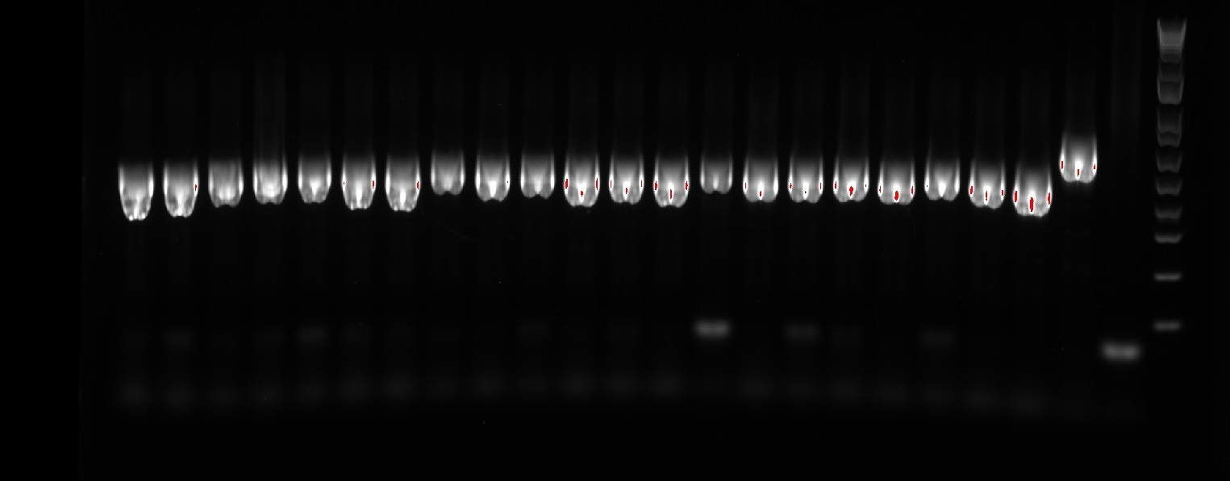
2 November 2022: |  |  |  |  |  | 3 November 2022:
Round 12: Above-Ground Cx restuans ID from May 2 samples |  |  |  |  |  | Exposure Period: 0.072 sec

Master Mix and Amplification |  |  |  |  |  | had 2 uL of loading dye added
Phire Animal Tissue PCR MM Recipe: |  |  | Added? (Y/N) |  |  | pipetted 10 x to mix
H20 | 4.6 | 121.44 | Y |  |  | loaded 8 uL in the wells
Phire Animal Tissue PCR Buffer | 10 | 264 | Y |  |  | ran @150V for 45 min
Primer FW | 1 | 26.4 | Y |  |  | gel was 100 mL 1x borax + 1 g agarose (1% gel)
Primer Re1 | 1 | 26.4 | Y
Primer Re2 | 1 | 26.4 | Y
Primer Re3 | 1 | 26.4 | Y
Phire Hot Start 2 | 0.4 | 10.56 | Y
Dilution DNA | 1

Ran PHIRECRAB

Labnotes on culvert Restuans Ge
This spreadsheet contains the daily log and lab notebooks of all tasks undertaken to genetically identify the Culex restuans that were collected from culverts. These notes are from 8 December 2022 - 2 January 2023 after we realized that the "restuans" from culverts were probably Cx. erraticus

8 Dec 2022:
gDNA extraction from Box 1 Samples |  | *Samples that got gDNA extracted: |  | 14.J1 | 14.J2 | 14.J3 | 14.J4 | 14.J5 | 14.J6 | 14.J7 | 14.J8 | 14.J9 | 14.J10
1. Added 20 uL of dilution buffer (vortexed then spun down) to tubes 1-24 |  |  |  | 14.J11 | 14.J13 | 14.J21 | 15.C1 | 15.C2 | 15.C3 | 15.C4 | 15.N1 | 12.J22 | 12.A22
2. Added 0.5 uL of DNA Release (vortexed then spun down) |  |  |  | 9.L2 | 9.L1 | 9.L8 | 9.M36
3. Incubated at RT for 5 min
4. Incubated on heat block for 98C
5. Spun down, then stored supernatant at -20C

9 Dec 2022: | Samples | gDNA ug/uL: | 280/260: | 260/230:
Nanodrops of yesterday's samples: | 14.J1 | 0.302 | 1.34 | 0.46
Note: blanked with just dilution buffer | 14.J2 | 0.5 | 1.6 | 0.55
 | 14.J3 | 0.843 | 1.84 | 0.68
 | 14.J4 | 1.084 | 1.45 | 0.48
 | 14.J5 | 0.485 | 1.79 | 0.75
 | 14.J6 | 0.817 | 1.63 | 0.58
 | 14.J7 | 0.716 | 1.74 | 0.62
 | 14.J8 | 0.751 | 1.65 | 0.62
 | 14.J9 | 0.693 | 1.8 | 0.76
 | 14.J10 | 0.383 | 1.64 | 0.83
 | 14.J11 | 0.513 | 1.76 | 0.74
 | 14.J13 | 0.517 | 1.69 | 0.7
 | 14.J21 | 0.52 | 1.6 | 0.62
 | 15.C1 | 0.663 | 1.5 | 0.48
 | 15.C2 | 0.728 | 1.64 | 0.59
 | 15.C3 | 0.318 | 1.53 | 0.68
 | 15.C4 | 0.438 | 1.44 | 0.53
 | 15.N1 | 0.71 | 1.73 | 0.65
 | 12.J22 | 1.042 | 1.71 | 0.63
 | 12.A22 | 0.789 | 1.56 | 0.53
 | 9.L2 | 0.437 | 1.71 | 0.76
 | 9.L1 | 0.524 | 1.73 | 0.63
 | 9.L8 | 0.463 | 1.53 | 0.61
 | 9.M36 | 0.982 | 1.79 | 0.67

gDNA extraction:
1. Added 20 uL of dilution buffer (vortexed then spun down) to tubes 1-24 |  |  |  | 9.M23 | 9.M20 | 9.M9 | 9.A49 | 9.A48 | 9.A45
1.5. Grind the whole body samples with the pestle in solution |  |  |  | 9.A41 | 9.A40 | 9.A37 | 9.A9 | 9.C8 | 9.I13 | 9.I21 | 9.C15 | 7.M1 | 16.N5
2. Added 0.5 uL of DNA Release (vortexed then spun down) |  |  |  | 31.E16 | 31.E17 | 31.E18 | 31.E19 | 31.E20 | 31.E21 | 31.E22 | 31.E23
3. Incubated at RT for 5 min
4. Incubated on heat block for 98C
5. Spun down, then stored supernatant at -20C
 | Samples | gDNA ug/uL: | 280/260: | 260/230:
Nanodrops of yesterday's samples: | 9.M23 | 0.128 | 1.28 | 0.42
Note: blanked with just dilution buffer | 9.M20 | 0.319 | 1.38 | 0.44
 | 9.M9 | 0.746 | 1.42 | 0.42
 | 9.A49 | 0.672 | 1.76 | 0.56
 | 9.A48 | 2.746 | 1.66 | 0.59
 | 9.A45 | 0.775 | 1.61 | 0.55
 | 9.A41 | 0.937 | 1.5 | 0.46
 | 9.A40 | 0.855 | 1.57 | 0.5
 | 9.A37 | 0.662 | 1.49 | 0.45
 | 9.A9 | 0.942 | 1.5 | 0.48
 | 9.C8 | 0.718 | 1.46 | 0.46
 | 9.I13 | 1.357 | 1.7 | 0.42
 | 9.I21 | 0.948 | 1.51 | 0.46
 | 9.C15 | 0.712 | 1.5 | 0.47
 | 7.M1 | 0.81 | 1.22 | 0.09
 | 16.N5 | 1.072 | 1.41 | 0.44
 | 31.E16 | 1.521 | 1.54 | 0.53
 | 31.E17 | 0.698 | 1.57 | 0.51
 | 31.E18 | 2.389 | 1.72 | 0.57
 | 31.E19 | 2.532 | 1.61 | 0.55
 | 31.E20 | 2.009 | 1.72 | 0.61
 | 31.E21 | 3.87 | 1.67 | 0.6
 | 31.E22 | 2.622 | 1.63 | 0.58
 | 31.E23 | 2.006 | 1.68 | 0.61

31.E24 | 26.E1
8.L2 | 8.L9 | 8.L10 | 8.L6 | 8.L13 | 8.L16 | 8.L17 | 8.L19 | 8.L21 | 8.M2
8.L11 | 8.L5 | 8.L3 | 8.L4 | 8.L1 | 9.L10 | 9.L6 | 9.L5 | 9.L4 | 9.L3
13.J54 | 31.E15

 | Samples | gDNA ug/uL: | 280/260: | 260/230:
Nanodrops of yesterday's samples: | 31.E24 | 1.016 | 1.52 | 0.48
Note: blanked with just dilution buffer | 26.E1 | 2.438 | 1.79 | 0.52
 | 8.L2 | 2.533 | 1.62 | 0.54
 | 8.L9 | 0.976 | 1.44 | 0.45
 | 8.L10 | 0.465 | 1.32 | 0.57
 | 8.L6 | 0.7 | 1.52 | 0.49
 | 8.L13 | 1.699 | 1.53 | 0.54
 | 8.L16 | 1.065 | 1.47 | 0.45
 | 8.L17 | 0.821 | 1.43 | 0.48
 | 8.L19 | 0.656 | 1.41 | 0.46
 | 8.L21 | 0.868 | 1.42 | 0.45
 | 8.M2 | 1.82 | 1.43 | 0.44
 | 8.L11 | 1.479 | 1.38 | 0.45
 | 8.L5 | 0.854 | 1.43 | 0.46
 | 8.L3 | 1.209 | 1.58 | 0.43
 | 8.L4 | 0.819 | 1.5 | 0.48
 | 8.L1 | 1.353 | 1.45 | 1.81
 | 9.L10 | 0.637 | 1.47 | 0.48
 | 9.L6 | 0.697 | 1.25 | 0.46
 | 9.L5 | 0.319 | 1.45 | 0.5
 | 9.L4 | 1.055 | 1.43 | 0.45
 | 9.L3 | 0.639 | 1.51 | 0.49
 | 13.J54 | 1.285 | 1.56 | 0.5
 | 31.E15 | 4.21 | 1.56 | 0.56

For tomorrow, be sure to nano-drop the last round of samples:
7.E1 | 7.C2 | 7.E2 | 7.E11 | 7.E7 | 11.M4 | 11.M8 | 11.M22
12.M8 | 12.M14 | 12.M17 | 12.M23 | 8.L22 | 7.E5 | 7.E8 | 18.J9 | 11.E12 | 30.C2
30.C3 | 30.C4
2022-12-11
 | Samples | gDNA ug/uL: | 280/260: | 260/230:
Nanodrops of yesterday's samples: | 7.E1 | 1.55 | 1.43 | 0.45
Note: blanked with just dilution buffer | 7.C2 | 1.128 | 1.55 | 0.45
 | 7.E2 | 1.563 | 1.39 | 0.34
 | 7.E11 | 1.563 | 1.49 | 0.45
 | 7.E7 | 1.843 | 1.58 | 0.51
 | 11.M4 | 0.999 | 1.52 | 0.51
 | 11.M8 | 1.143 | 1.52 | 0.48
 | 11.M22 | 1.306 | 1.49 | 0.47
 | 12.M8 | 0.837 | 1.39 | 0.47
 | 12.M14 | 0.795 | 1.59 | 0.51
 | 12.M17 | 1.14 | 1.55 | 0.49
 | 12.M23 | 0.603 | 1.47 | 0.51
 | 8.L22 | 1.092 | 1.52 | 0.48
 | 7.E5 | 1.538 | 1.59 | 0.42
 | 7.E8 | 1.468 | 1.41 | 0.43
 | 18.J9 | 1.683 | 1.38 | 0.43
 | 11.E12 | 0.694 | 1.48 | 0.46
 | 30.C2 | 2.084 | 2.33 | 0.93
 | 30.C3 | 3.019 | 1.63 | 0.56
 | 30.C4 | 5.356 | 1.48 | 0.48

gDNA extraction:
1. Added 20 uL of dilution buffer (vortexed then spun down) to tubes 1-24 |  |  |  | 7.A49 | 7.A50 | 7.A51 | 7.A45 | 7.A47 | 7.C5 | 7.C6 | 7.C1 | 7.E3 | 7.E13
1.5. Grind the whole body samples with the pestle in solution |  |  |  | 7.E10 | 7.E6 | 7.I59 | 7.I4 | 7.I46 | 7.I38 | 7.I25 | 7.I30 | 7.I35 | 7.I36
2. Added 0.5 uL of DNA Release (vortexed then spun down) |  |  |  | 7.I37 | 7.I21 | 7.I26 | 7.I28
3. Incubated at RT for 5 min
4. Incubated on heat block for 98C
5. Spun down, then stored supernatant at -20C

 | Samples | gDNA ug/uL: | 280/260: | 260/230:
Nanodrops of yesterday's samples: | 7.A49 | 0.494 | 1.37 | 0.39
Note: blanked with just dilution buffer | 7.A50 | 0.954 | 1.29 | 0.39
 | 7.A51 | 0.887 | 1.26 | 0.45
 | 7.A45 | 0.449 | 1.4 | 0.47
 | 7.A47 | 0.465 | 1.54 | 0.49
 | 7.C5 | 0.759 | 1.36 | 0.4
 | 7.C6 | 1.23 | 1.43 | 0.43
 | 7.C1 | 1.552 | 1.5 | 0.45
 | 7.E3 | 0.967 | 1.65 | 0.55
 | 7.E13 | 0.825 | 1.42 | 0.42
 | 7.E10 | 1.194 | 1.49 | 0.45
 | 7.E6 | 1.468 | 1.51 | 0.46
 | 7.I59 | 0.556 | 1.41 | 0.4
 | 7.I4 | 0.629 | 1.52 | 0.45
 | 7.I46 | 0.266 | 1.56 | 0.6
 | 7.I38 | 0.647 | 1.52 | 0.4
 | 7.I25 | 0.446 | 1.42 | 0.41
 | 7.I30 | 0.704 | 1.54 | 0.46
 | 7.I35 | 0.522 | 1.41 | 0.41
 | 7.I36 | 0.628 | 1.28 | 0.41
 | 7.I37 | 0.204 | 1.35 | 0.41
 | 7.I21 | 0.367 | 1.44 | 0.42
 | 7.I26 | 0.876 | 1.38 | 0.4
 | 7.I28 | 0.885 | 1.42 | 0.43

Remainder of Box #2 has had the gDNA extracted
Note: Samples 8.M30 to 9.A5 (Wells 90 -100) were not ground up due to lack of clean pestles (pestles in autoclave at the time).

12 Dec 2022:
Completed Box #3, and need to start again at 12.L8 for Box #4 (have extracted the gDNA from 72 samples, so far)
Additionally, am no longer autoclaving the pestles (takes too long) and instead am soaking in 10% bleach for 5 minutes, then rinsing repeatedly
Dec 13 & 14 2022, continued isolating gDNA from the samples in the same manner as 11 Dec and 12 Dec until all boxes were completed

2022-12-15 | Round 1 of PCR amplification/primer verification
1 | 2 | 3 | 4 | 5 | 6 | 7 | 8 | 9 | 10 | 11 | 12 | 13 | 14 | 15 | 16 | 17 | 18 | 19 | 20 | 21 | 22 | 23 | 24
Ladder | Cx pip + | Cx rest + | Cx sal + | NTC | Cx erra | Cx erra | Cx erra | Cx erra | Cx erra | Cx erra | Cx erra | Ladder | Cx pip + | Cx rest + | Cx sal + | NTC | Cx erra | Cx erra | Cx erra | Cx erra | Cx erra | Cx erra | Cx erra
Sample: |  |  |  | H2O | 8.A4 | 8.J17 | 8.J8 | 8.J6 | 8.J10 | 8.J18 | 7.I54 | Sample: |  |  |  | H2O | 8.A4 | 8.J17 | 8.J8 | 8.J6 | 8.J10 | 8.J18 | 7.I54

gDNA extraction:
Dissected legs or a head (for sample 8.J10) for each Cx. erraticus sample
Extracted gDNA with Phire tissue kit procedure

Added 242 uL of MGH20 to Cx.err_WS_18S_FW
Added 311 uL of MGH20 to Cx. err_WS_18S_RE

for 10 uM dilutions:
10 uM * 200 uL = 100 uM * __ uL = 20 uL of the 100 uM primer, 180 uL of MGH20
For Wells 13-24 |  |  | Y/N: | For Wells 1-12 |  |  | Y/N:
H20 | 2.6 | 34.32 | Y | H20 | 6.6 | 87.12 | Y
Phire Animal Tissue PCR Buffer | 10 | 132 | Y | Phire Animal Tissue PCR Buffer | 10 | 132 | Y
Cx. Primer Univ RE | 1 | 13.2 | Y | Cx. erra FW | 1 | 13.2 | Y
Cx. Primer FW FW | 1 | 13.2 | Y | Cx. erra RE | 1 | 13.2 | Y
Cx. Primer FW FW2 | 1 | 13.2 | Y | Phire Hot Start 2 | 0.4 | 5.28 | Y
Cx. Primer FW FW3 | 1 | 13.2 | Y | Dilution DNA | 1
Cx. erra FW | 1 | 13.2 | Y
Cx. erra RE | 1 | 13.2 | Y
Phire Hot Start 2 | 0.4 | 5.28 | Y
Dilution DNA | 1

Ran on PhireCrab, then did a 1% gel, 100 mL 1x borax, 1 g agarose, 8 uL gelred, then loaded 8 uL of 2 uL loading dye mixed with 8 uL PCRed DNA
Ran at 150V for 45 min, but gel was too dehydrated (left for 3 hours outside), so results inconclusive |  |  |  |  | Gel not shown.

16 Dec 2022: | Round 2 of PCR amplification/primer validation
Well 23 only had like, 2 uL remaining and none in Well 24, so ignore those |  |  |  |  | I... I dunno what happened. I'll do this for a 3rd time with new PCRed DNA, 'cause this is bizzare

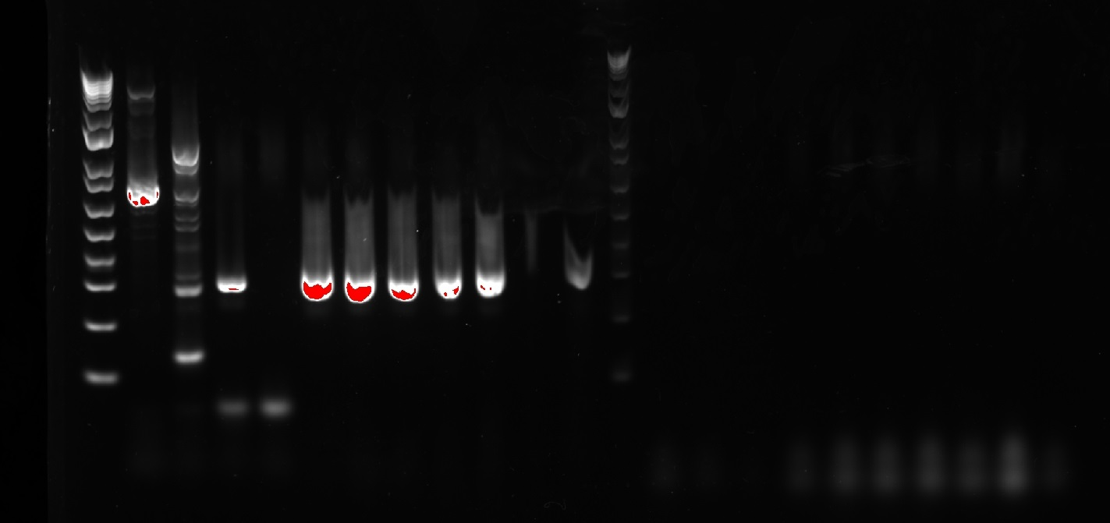
Auto-Exposure: 0.281 sec
 | 1 |  |  |  |  |  |  |  |  | 24

 |  |  |  |  |  |  |  |  |  |  |  | Cx. pipiens product = 698 bp

 |  |  |  |  |  |  |  |  |  |  |  | Cx. restuans product = 56X?

 |  |  |  |  |  |  |  |  |  |  |  | Cx. salinarius product = 180

 |  |  |  |  |  |  |  |  |  |  |  | Cx. erraticus product = 290 bp

For Wells 1-12 |  |  | Y/N: | For Wells 13-24 |  |  | Y/N:
H20 | 6.6 | 87.12 |  | H20 | 2.6 | 34.32
Phire Animal Tissue PCR Buffer | 10 | 132 |  | Phire Animal Tissue PCR Buffer | 10 | 132
Cx. erra FW | 1 | 13.2 |  | Cx. Primer Univ RE | 1 | 13.2
Cx. erra RE | 1 | 13.2 |  | Cx. Primer FW FW | 1 | 13.2
Phire Hot Start 2 | 0.4 | 5.28 |  | Cx. Primer FW FW2 | 1 | 13.2
Dilution DNA | 1 |  |  | Cx. Primer FW FW3 | 1 | 13.2
 |  |  |  | Cx. erra FW | 1 | 13.2
 |  |  |  | Cx. erra RE | 1 | 13.2
 |  |  |  | Phire Hot Start 2 | 0.4 | 5.28
 |  |  |  | Dilution DNA | 1

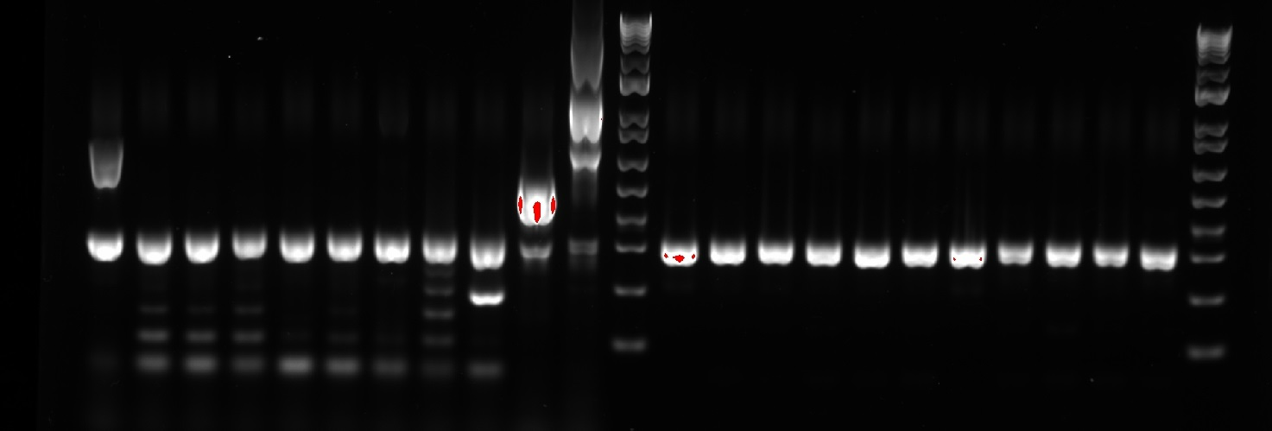
Round 3 Results: | PCR amplification/primer validation. Note that sample order is the same as that listed on December 15th 2022
 |  | 24 |  |  |  |  |  |  |  | 1
Exposure Time: 0.157 sec

 |  |  |  |  |  |  |  |  |  |  | Cx. pipiens product = 698 bp

 |  |  |  |  |  |  |  |  |  |  | Cx. restuans product = 56X?

 |  |  |  |  |  |  |  |  |  |  | Cx. salinarius product = 180

 |  |  |  |  |  |  |  |  |  |  | Cx. erraticus product = 290 bp

On the image: clear indication of contamination, as the NTCs for both have Cx. erraticus banding alongside all of the positive controls. Has to be something ubiquitously used, so all such sources will be cleaned
Then bleach cleaned all surfaces in 115 and 115a that I placed the things on, then autoclaved the pipettes and the pipette tips.

2022-12-19 | Round 4 of PCR amplification/validation
What I did to eliminate contamination:
Autoclaved the Mol Grade H20 and the pestles (so that they were RNAi-friendly for Lydia)

Then, I threw out the last batch of Cx. erraticus primers (potential source of the contamination) and replaced them with newly made 10uM Cx. erraticus primers to test this again
Primer mix (20 uL of 100 uM primer + 180 uL of 180 MG H20) was used for the new Cx. erraticus primers
...And all the pipetted that were autoclaved broke... fuck
Stole Matt's pipettes for today

Round 4:
For Wells 1-12 |  |  | Y/N: | For Wells 13-24 |  |  | Y/N:
H20 | 6.6 | 87.12 | Y | H20 | 2.6 | 34.32 | Y
Phire Animal Tissue PCR Buffer | 10 | 132 | Y | Phire Animal Tissue PCR Buffer | 10 | 132 | Y
Cx. erra FW | 1 | 13.2 | Y | Cx. Primer Univ RE | 1 | 13.2 | Y
Cx. erra RE | 1 | 13.2 | Y | Cx. Primer FW FW | 1 | 13.2 | Y
Phire Hot Start 2 | 0.4 | 5.28 | Y | Cx. Primer FW FW2 | 1 | 13.2 | Y
Dilution DNA | 1 |  |  | Cx. Primer FW FW3 | 1 | 13.2 | Y
 |  |  |  | Cx. erra FW | 1 | 13.2 | Y
 |  |  |  | Cx. erra RE | 1 | 13.2 | Y
 |  |  |  | Phire Hot Start 2 | 0.4 | 5.28 | Y
 |  |  |  | Dilution DNA | 1

Auto-optimal Exposure time: 0.120 Sec

Note: I added the borax 1% solution AFTER for wells 1-5, displacing some fluid from them, especially in well #5, the NTC
 |  |  | 1 |  |  |  |  |  | 24

 |  |  |  |  |  |  |  |  |  |  |  | Cx. pipiens product = 698 bp

 |  |  |  |  |  |  |  |  |  |  |  | Cx. restuans product = 56X?

 |  |  |  |  |  |  |  |  |  |  |  | Cx. salinarius product = 180

 |  |  |  |  |  |  |  |  |  |  |  | Cx. erraticus product = 290 bp

The Real Deal: Box #2 P#1, Round 1: |  |  |  |  | Pooled Groups:
Identifying samples that had been dissected and were previously identified as Cx. restuans (collected from culverst therefore probably Cx. erraticus)
1 | 2 | 3 | 4 | 5 | 6 | 7 | 8 | 9 | 10 | 11 | 12 | 13 | 14 | 15 | 16 | 17 | 18 | 19 | 20 | 21 | 22 | 23 | 24
Ladder | Cx pip + 1.0 uL | Cx erra + 1.0 uL | Cx erra + 0.2 uL, 0.8 uL H20 | NTC | 7.A49 & 7.A50 & 7.A51 & 7.A45 & 7.A47 | 7.C5 & 7.C6 & 7.C1 | 7.E3 & 7.E13 & 7.E10 & 7.E6 | 7.I59 & 7.I4 & 7.I46 & 7.I38 & 7.I25 | 7.I30 & 7.I35 & 7.I36 & 7.I37 & 7.I21 | 7.I26 & 7.I28 & 7.I49 & 7.I34 & 7.I43 | 7.I56 & 7.I16 | 7.J20 & 7.J17 & 7.J15 & 7.J16 & 7.J22 | 7.K10 & 7.K5 & 7.K8 | 7.L8 & 7.L18 & 7.L10 & 7.L14 | 7.M1 & 7.M4 | 8.A5 | 8.C38 & 8.C18 & 8.C14 & 8.C37 & 8.C16 | 8.C31 & 8.C39 & 8.C23 & 8.C26 & 8.C21 | 8.C11 & 8.C28 | 8.E2 & 8.E8 & 8.E4 & 8.E7 & 8.E3 | 8.E5 & 8.E1 & 8.E6 | 8.I18 & 8.I12 & 8.I22 & 8.I9 & 8.I19 | 8.I17 & 8.I11 & 8.I23 & 8.I20 & 8.I16
# in Pool: |  |  |  |  | 5 | 3 | 4 | 5 | 5 | 5 | 2 | 5 | 3 | 4 | 2 | 1 | 5 | 5 | 2 | 5 | 3 | 5 | 5
Genetic IDs: |  |  |  |  | erraticus | erraticus | (see below) | erraticus | erraticus | erraticus | erraticus | erraticus | erraticus | erraticus | erraticus | erraticus | erraticus | erraticus | erraticus | erraticus | erraticus | erraticus | erraticus
 |  |  |  |  |  |  |  | 1 |  |  |  |  |  |  |  |  | 24
Box #2 P#1, Round 1: |  |  |  |  | Amounts per Pool: |  |  |  |  |  |  |  |  |  |  |  |  |  | Notes from Gel Results: Seems good for the most part... I might want to unpool well 8 as the contamination of that one might be high enough for evidence of restuans species and not just contamination, potentially
For Wells 1-24 |  |  | Y/N: |  | 1 | 1.0 uL per sample
H20 | 2.6 | 68.64 | Y |  | 2 | 0.5 uL per sample
Phire Animal Tissue PCR Buffer | 10 | 264 | Y |  | 3 | 0.33 uL per sample
Cx. Primer Univ RE | 1 | 26.4 | Y |  | 4 | 0.25 uL per sample
Cx. Primer FW FW | 1 | 26.4 | Y |  | 5 | 0.20 uL per sample
Cx. Primer FW FW2 | 1 | 26.4 | Y
Cx. Primer FW FW3 | 1 | 26.4 | Y
Cx. erra FW | 1 | 26.4 | Y
Cx. erra RE | 1 | 26.4 | Y |  |  | Exposure Time: 0.109 Sec
Phire Hot Start 2 | 0.4 | 10.56 | Y
Dilution DNA | 1

2022-12-20
Running the first round's gel, making preparations for the next round, then prolly gonna run that one
The Real Deal: Box #2 P#2 & Box#3 P#1, Round 1:
1 | 2 | 3 | 4 | 5 | 6 | 7 | 8 | 9 | 10 | 11 | 12 | 13 | 14 | 15 | 16 | 17 | 18 | 19 | 20 | 21 | 22 | 23 | 24
Ladder | Cx pip + 1.0 uL | Cx erra + 1.0 uL | Cx erra + 0.2 uL, 0.8 uL H20 | NTC | 8.I15 & 8.I13 & 8.I8 | 8.J11 & 8.J16 & 8.J5 & 8.J3 & 8.J2 | 8.J12 & 8.J13 & 8.J15 & 8.J7 | 8.M12 & 8.M11 & 8.M10 & 8.M7 & 8.M30 | 8..M27 & 8.M23 & 8.M24 & 8.M13 | 8.N1 | 9.A12 & 9.A2 & 9.A4 & 9.A5 | 9.C5 & 9.C4 & 9.C2 & 9.C9 & 9.C10 | 9.C11 & 9.C12 & 9.C13 & 9.C6 | 9.E15 & 9.E17 & 9.E25 & 9.E27 & 9.E28 | 9.E29 & 9.E2 & 9.E5 & 9.E8 & 9.E10 | 9.E11 & 9.E12 & 9.E13 & 9.E14 | 9.I32 & 9.I28 & 9.I6 & 9.I18 & 9.I27 | 9.I15 & 9.I11 & 9.I44 & 9.I25 & 9.I26 | 9.I35 & 9.I45 & 9.I38 & 9.I5 & 9.I47 | 9.J29 & 9.J45 & 9.J1 & 9.J35 & 9.J36 | 9.J40 & 9.J11 & 9.J25 & 9.J38 | 9.K20 & 9.K21 & 9.K22 & 9.K23 & 9.K24 | 9.K25 & 9.K26
# in Pool: |  |  |  |  | 3 | 5 | 4 | 5 | 5 | 1 | 4 | 5 | 4 | 5 | 5 | 4 | 5 | 5 | 5 | 5 | 4 | 5 | 2
Genetic IDs: |  |  |  |  | erraticus | erraticus | erraticus | erraticus | erraticus | erraticus | (see below) | erraticus | erraticus | erraticus | erraticus | erraticus | erraticus | erraticus | erraticus | erraticus | erraticus | erraticus | erraticus
 |  |  |  |  | Amounts per Pool: |  |  | 1 |  |  |  |  |  |  | 24
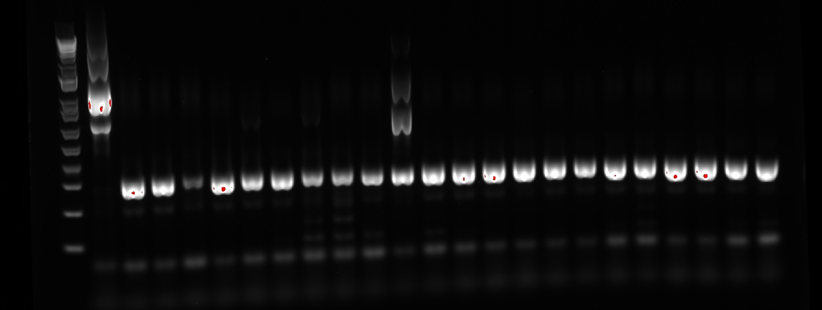
Box #2 P#2 & Box#3 P#1, Round 1: |  |  |  |  | 1 | 1.0 uL per sample
For Wells 1-24 |  |  | Y/N: |  | 2 | 0.5 uL per sample
H20 | 2.6 | 68.64 | Y |  | 3 | 0.33 uL per sample
Phire Animal Tissue PCR Buffer | 10 | 264 | Y |  | 4 | 0.25 uL per sample |  |  |  |  |  |  |  |  |  | Should test Well 12 individually... the rest look great, tho. 10 & 11 look like some of the samples didn't amplify, maybe
Cx. Primer Univ RE | 1 | 26.4 | Y |  | 5 | 0.20 uL per sample
Cx. Primer FW FW | 1 | 26.4 | Y
Cx. Primer FW FW2 | 1 | 26.4 | Y
Cx. Primer FW FW3 | 1 | 26.4 | Y |  |  | Exposure Time: 0.140 sec
Cx. erra FW | 1 | 26.4 | Y
Cx. erra RE | 1 | 26.4 | Y
Phire Hot Start 2 | 0.4 | 10.56 | Y
Dilution DNA | 1

The Real Deal: Box #3 P#2 & Box#4 P#1, Round 1:
1 | 2 | 3 | 4 | 5 | 6 | 7 | 8 | 9 | 10 | 11 | 12 | 13 | 14 | 15 | 16 | 17 | 18 | 19 | 20 | 21 | 22 | 23 | 24
Ladder | Cx pip + 1.0 uL | Cx erra + 1.0 uL | Cx erra + 0.2 uL, 0.8 uL H20 | NTC | 9.L9 | 9.M10 & 9.M18 & 9.M19 & 9.M21 & 9.M27 | 9.M32 & 9.M33 | 9.N5 & 9.N7 & 9.N3 & 9.N2 | 10.A34 & 10.A45 & 10.A41 & 10.A28 & 10.A17 | 10.A13 | 10.C3 & 10.C4 | 10.E25 & 10.E15 & 10.E18 & 10.E24 | 10.I21 & 10.I36 & 10.I46 & 10.I28 & 10.I29 | 10.I49 & 10.I50 & 10.I53 & 10.I56 & 10.I59 | 10.I61 | 10.J87 & 10.J107 & 10.J94 & 10.J47 & 10.J25 | 10.J12 & 10.J32 & 10.J55 & 10.J24 | 10.K13 & 10.K10 & 10.K9 | 10.L8 & 10.L5 | 10.M66 & 10.M11 & 10.M83 & 10.M22 & 10.M8 | 10.M73 & 10.M65 & 10.M69 & 10.M91 & 10.M94 | 10.M98 & 10.M89 | 11.C2 & 11.C3
# in Pool: |  |  |  |  | 1 | 5 | 2 | 4 | 5 | 1 | 2 | 4 | 5 | 5 | 1 | 5 | 4 | 3 | 2 | 5 | 5 | 2 | 2
Genetic IDs: |  |  |  |  | erraticus | erraticus | erraticus | erraticus | erraticus | erraticus | erraticus | erraticus | erraticus | erraticus | erraticus | erraticus | erraticus | erraticus | erraticus | (see below) | erraticus | erraticus | erraticus
 |  |  |  |  | Amounts per Pool: |  |  |  |  | 1 |  |  |  |  |  |  |  | 24
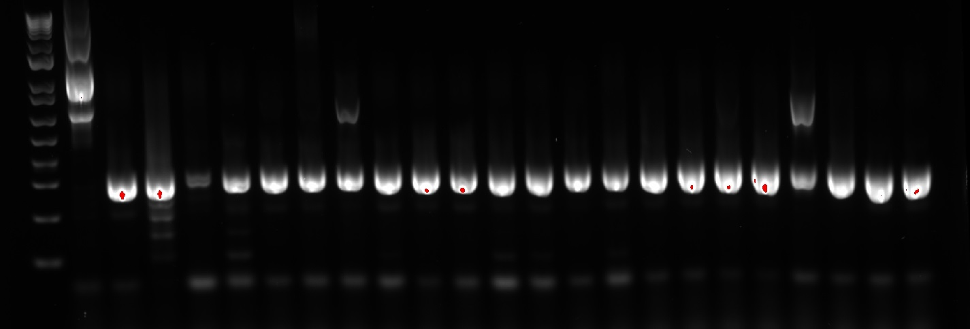
Box #3 P#2 & Box#4 P#1, Round 1: |  |  |  |  | 1 | 1.0 uL per sample |  | Exposure Time: 0.106 sec
For Wells 1-24 |  |  | Y/N: |  | 2 | 0.5 uL per sample
H20 | 2.6 | 68.64 | Y |  | 3 | 0.33 uL per sample |  |  |  |  |  |  |  |  |  |  |  |  |  | Will need to unpool 10.M66 & 10.M11 & 10.M83 & 10.M22 & 10.M8 to see if contamination or a restuans
Phire Animal Tissue PCR Buffer | 10 | 264 | Y |  | 4 | 0.25 uL per sample
Cx. Primer Univ RE | 1 | 26.4 | Y |  | 5 | 0.20 uL per sample
Cx. Primer FW FW | 1 | 26.4 | Y
Cx. Primer FW FW2 | 1 | 26.4 | Y
Cx. Primer FW FW3 | 1 | 26.4 | Y
Cx. erra FW | 1 | 26.4 | Y
Cx. erra RE | 1 | 26.4 | Y
Phire Hot Start 2 | 0.4 | 10.56 | Y
Dilution DNA | 1

2022-12-21
The Real Deal: Box #4 P#2 Round 1:
1 | 2 | 3 | 4 | 5 | 6 | 7 | 8 | 9 | 10 | 11 | 12 | 13 | 14 | 15 | 16 | 17 | 18 | 19 | 20 | 21 | 22 | 23 | 24
Ladder | Cx pip + 1.0 uL | Cx erra + 1.0 uL | Cx erra + 0.2 uL, 0.8 uL H20 | NTC | 11.E15 & 11.E14 & 11.E19 & 11.E10 & 11.E11 | 11.E18 & 11.E3 & 11.E6 & 11.E13 & 11.E1 | 11.I11 & 11.I13 & 11.I14 & 11.I15 & 11.I5 | 11.I3 & 11.I2 & 11.I1 & 11.I8 & 11.I9 | 12.A7 & 12.A10 & 12.A14 & 12.A20 & 12.A30 | 12.A31 & 12.A35 | 12.C3 & 12.C8 | 12.E4 & 12.E6 | 12.I4 & 12.I14 & 12.I15 & 12.I17 & 12.I27 | 12.I36 & 12.I42 & 12.I45 & 12.I49 | 12.J29 & 12.J32 & 12.J33 & 12.J34 & 12.J36 | 12.J37 & 12.J38 | 12.K10 & 12.K11 & 12.K12 & 12.K9 & 12.K13 | 12.L9 & 12.L8 | 12.M19 | 12.N1 | 13.A36 & 13.A30 & 13.A34 & 13.A33 | 13.C8 & 13.C7 & 13.C6 | 13.E6 & 13.E7 & 13.E8 & 13.E9 & 13.E10
# in Pool: |  |  |  |  | 5 | 5 | 5 | 5 | 5 | 2 | 2 | 2 | 5 | 4 | 5 | 2 | 5 | 2 | 1 | 1 | 4 | 3 | 5
Genetic IDs: |  |  |  |  | erraticus | erraticus | erraticus | erraticus | erraticus | erraticus | erraticus | erraticus | erraticus | erraticus | erraticus | erraticus | erraticus | erraticus | pipiens | erraticus | erraticus | erraticus | erraticus
 |  |  |  |  | Amounts per Pool: |  |  |  | 1 |  |  |  |  |  |  | 24
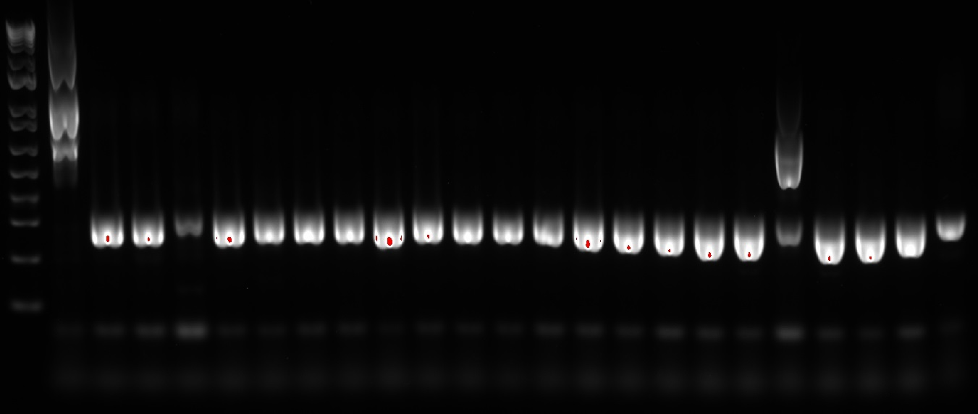
The Real Deal: Box #4 P#2 Round 1: |  |  |  |  | 1 | 1.0 uL per sample
For Wells 1-24 |  |  | Y/N: |  | 2 | 0.5 uL per sample
H20 | 2.6 | 68.64 | Y |  | 3 | 0.33 uL per sample |  |  |  |  |  |  |  |  |  |  | So... what's going on with 12.M19? I might want to run it with just the Crabtree primers to see if it'll still amplify
Phire Animal Tissue PCR Buffer | 10 | 264 | Y |  | 4 | 0.25 uL per sample
Cx. Primer Univ RE | 1 | 26.4 | Y |  | 5 | 0.20 uL per sample
Cx. Primer FW FW | 1 | 26.4 | Y
Cx. Primer FW FW2 | 1 | 26.4 | Y |  |  |  | Auto-optimal: 0.088 sec
Cx. Primer FW FW3 | 1 | 26.4 | Y
Cx. erra FW | 1 | 26.4 | Y
Cx. erra RE | 1 | 26.4 | Y
Phire Hot Start 2 | 0.4 | 10.56 | Y
Dilution DNA | 1

The Real Deal: Box #4 P#3 & Box #5 P#1 Round 1:
1 | 2 | 3 | 4 | 5 | 6 | 7 | 8 | 9 | 10 | 11 | 12 | 13 | 14 | 15 | 16 | 17 | 18 | 19 | 20 | 21 | 22 | 23 | 24
Ladder | Cx pip + 1.0 uL | Cx erra + 1.0 uL | Cx erra + 0.2 uL, 0.8 uL H20 | NTC | 13.E11 & 13.E12 | 13.I8 & 13.I10 & 13.I11 & 13.I12 & 13.I17 | 13.I13 & 13.I14 & 13.I15 & 13.I16 & 13.I18 | 13.I21 & 13.I19 & 13.I20 | 13.J20 & 13.J31 & 13.J33 & 13.J51 & 13.J68 | 13.K8 & 13.K9 & 13.K10 & 13.K11 & 13.K12 | 13.M30 & 13.M29 & 13.M28 | 13.N2 & 13.N3 & 13.N1 | 14.A7 & 14.A8 | 14.E8 & 14.E9 & 14.E7 | 14.I13 & 14.I14 & 14.I15 & 14.I16 & 14.I17 | 14.I18 & 14.I19 & 14.I20 | 14.J15 & 14.J16 & 14.J17 & 14.J18 & 14.J19 | 14.J20 | 14.L12 & 14.L4 & 14.L13 | 14.M20 | 15.A1 & 15.A2 & 15.A12 & 15.A13 & 15.A14 | 15.I14 & 15.I15 & 15.I17 | 15.J27 & 15.J21 & 15.J22 & 15.J23 & 15.J24
# in Pool: |  |  |  |  | 2 | 5 | 5 | 3 | 5 | 5 | 3 | 3 | 2 | 3 | 5 | 3 | 5 | 1 | 3 | 1 | 5 | 3 | 5
Genetic IDs: |  |  |  |  | erraticus | erraticus | erraticus | erraticus | erraticus | erraticus | erraticus | erraticus | erraticus | erraticus | erraticus | erraticus | erraticus | erraticus | erraticus | erraticus | erraticus | erraticus | erraticus
 |  |  |  |  | Amounts per Pool:
The Real Deal: Box #4 P#2 Round 1: |  |  |  |  | 1 | 1.0 uL per sample |  |  | 1 |  |  |  |  |  |  |  |  | 24
For Wells 1-24 |  |  | Y/N: |  | 2 | 0.5 uL per sample
H20 | 2.6 | 68.64 | Y |  | 3 | 0.33 uL per sample
Phire Animal Tissue PCR Buffer | 10 | 264 | Y |  | 4 | 0.25 uL per sample
Cx. Primer Univ RE | 1 | 26.4 | Y |  | 5 | 0.20 uL per sample
Cx. Primer FW FW | 1 | 26.4 | Y
Cx. Primer FW FW2 | 1 | 26.4 | Y
Cx. Primer FW FW3 | 1 | 26.4 | Y |  |  |  | Exposure Time: 0.111 sec
Cx. erra FW | 1 | 26.4 | Y
Cx. erra RE | 1 | 26.4 | Y
Phire Hot Start 2 | 0.4 | 10.56 | Y
Dilution DNA | 1

The Real Deal: Box #5 P#2 Round 1:
1 | 2 | 3 | 4 | 5 | 6 | 7 | 8 | 9 | 10 | 11 | 12 | 13 | 14 | 15 | 16 | 17 | 18 | 19 | 20 | 21 | 22 | 23 | 24
Ladder | Cx pip + 1.0 uL | Cx erra + 1.0 uL | Cx erra + 0.2 uL, 0.8 uL H20 | NTC | 15.J25 & 15.J28 | 15.K10 | 15.M19 & 15.M18 | 16.E4 | 16.I8 & 16.I9 & 16.I6 & 16.I7 | 16.J10 & 16.J11 | 16.N4 | 17.A6 & 17.A7 & 17.A8 | 17.I7 & 17.I8 | 17.M12 | 18.I7 & 18.I8 & 18.I9 & 18.I10 & 18.I11 | 18.J10 | 18.M8 | 19.I7 & 19.I8 & 19.I9 & 19.I10 & 19.I11 | 19.M8 | 20.I6 & 20.I5 & 20.I4 & 20.I3 | 21.I3 & 21.I4 & 21.I5 & 21.I6 | 22.I10 & 22.I7 & 22.I5 | 23.J5
# in Pool: |  |  |  |  | 2 | 1 | 2 | 1 | 4 | 2 | 1 | 3 | 2 | 1 | 5 | 1 | 1 | 5 | 1 | 4 | 4 | 3 | 1
Genetic IDs: |  |  |  |  | erraticus | erraticus | erraticus | erraticus | erraticus | pipiens | pipiens | erraticus | erraticus | erraticus | erraticus | erraticus | erraticus | erraticus | erraticus | erraticus | erraticus | erraticus | pipiens
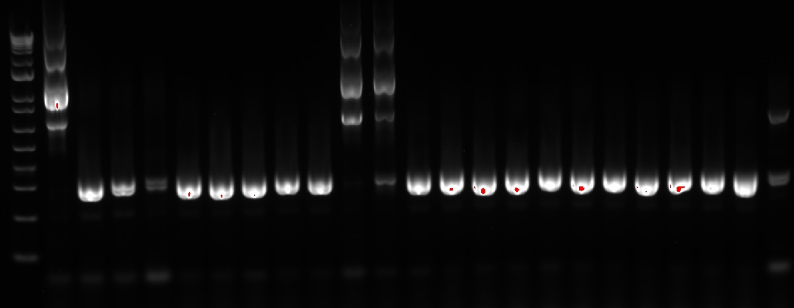
 |  |  |  |  |  |  |  |  | 1 |  |  |  |  |  | 24
The Real Deal: Box #4 P#2 Round 1: |  |  |  |  | Amounts per Pool:
For Wells 1-24 |  |  | Y/N: |  | 1 | 1.0 uL per sample
H20 | 2.6 | 68.64 |  |  | 2 | 0.5 uL per sample |  |  |  |  |  |  |  |  |  |  | Interpretation: 11 & 12 are pipiens. 24 might be restuans, but it needs to be redone
Phire Animal Tissue PCR Buffer | 10 | 264 |  |  | 3 | 0.33 uL per sample
Cx. Primer Univ RE | 1 | 26.4 |  |  | 4 | 0.25 uL per sample
Cx. Primer FW FW | 1 | 26.4 |  |  | 5 | 0.20 uL per sample
Cx. Primer FW FW2 | 1 | 26.4 |  |  |  |  | Exposure Time: 0.104 sec
Cx. Primer FW FW3 | 1 | 26.4
Cx. erra FW | 1 | 26.4
Cx. erra RE | 1 | 26.4
Phire Hot Start 2 | 0.4 | 10.56
Dilution DNA | 1

For tomorrow, run the gel of Box #4 P#3 & Box #5 P#1. While that runs, make the MM, then gather the gDNA samples, and get those in the PCR tubes after the MM is added. Run that gel, then call it a day

2022-12-22
Executed B5P2
Ran gel of B4P3&B5P1

2022-12-25
Notes/Protocol Outline for Megan:
Supplies in Box #6:
-Stuff for making the Master Mix (Phire Hot Start 2, PCR Buffer, Primers (6 in total, all have 10µM on the tops along with their codes):
-The positive controls:
--Cx. pipiens C+ (2.0 mL container w/ razored off loop) | Cx. restuans C+ (2.0 mL container w/ razored off loop) | Cx. erraticus C+ (in a set of 7, with the codes of 8.A4, 8.J17, 8.J8, etc. I've been using 8.A4)
Unpooled samples are found in Box#1 & Box#6, with the yellow highlight in the sheet titled "Morph ID Cx Rest Box List"
Samples already on my desk: Mol Grade H2O

Roles:
gDNA has already been extracted from the samples, so you'll be making the Master Mix, running the PCRs (program titled "PHIRCRAB"), and making the gels, or just honing in on the PCRs, if you'd like!

Regarding the structure of the first one you'll probably do, here's the format I've been using:
-If you'd like to just record your notes in your own notebook, that's okay too. I can transfer it to this format later
Unpooled: Box #1 P#1 Round 1:
1 | 2 | 3 | 4 | 5 | 6 | 7 | 8 | 9 | 10 | 11 | 12 | 13 | 14 | 15 | 16 | 17 | 18 | 19 | 20 | 21 | 22 | 23 | 24
Ladder | Cx. pipiens C+ | Cx. restuans C+ | Cx. erraticus C+ | NTC | 14.J1 | 14.J2 | 14.J3 | 14.J4 | 14.J5 | 14.J6 | 14.J7 | 14.J8 | 14.J9 | 14.J10 | 14.J11 | 14.J13 | 14.J21 | 15.C1 | 15.C2 | 15.C3 | 15.C4 | 15.N1 | 12.J22
Genetic IDs:

Here's the Master Mix recipe:
For Wells 1-24
H20 | 2.6 | 68.64
Phire Animal Tissue PCR Buffer | 10 | 264
Cx. Primer Univ RE | 1 | 26.4
Cx. Primer FW FW | 1 | 26.4
Cx. Primer FW FW2 | 1 | 26.4
Cx. Primer FW FW3 | 1 | 26.4
Cx. erra FW | 1 | 26.4
Cx. erra RE | 1 | 26.4
Phire Hot Start 2 | 0.4 | 10.56
Dilution DNA | 1

Here're the ingredients and quanitities for the gels I've been making:
Ingredient: | Amount/Gel:
1x Borax Buffer Sln | 100 mL
Agarose | 1.00 g
Gel Red | 8 µL

Gel Making Instructions (been working great for me):
Prep: In a B2 (maybe actually 2B?) Rig, add the mold (the orange bits are loose, so make sure a suction forms!!!) and a 24 well comb
1. In a ~200-~250 mL Erlenmeyer flask, add 100 mL of1x Borax Buffer Sln and 1.00 g of Agarose, swirl, and add a Kimiwipe over the top (slightly dampened is better, but totally unnecessary)
2. Microwave @ power 3 (P3) for 2 minutes, then swirl for 5 sec, then microwave @ P3 for 1 min, then swirl for 20 sec, then microwave @ P3 for 30 sec, and finally swirl for 10 sec maximum
3. Add 8 µL of Gel Red to the mixture, then swirl the flask for like, 20-30 seconds.
4. Poor into the mold, and cover with a paper towel. Let it sit @ RT for 45 minutes.

Gel Loading Ingredients & Quantities & Locations:
Ingredient | Amount/Gel | Location
Loading Dye | 46 uL total (2 uL x 23 dots) | Fridge, upper right, in the purple-based chest-thingy
Ladder (1 kb+) | 8 µL | Fridge, upper right, in the purple-based chest-thingy

Gel Loading Instructions:
Prep: Take the 24 Comb out of the hardened gel, rotate mold 90deg, and add the 1x Borax Buffer Sln to 1-2 mm above the gel
1. Cut a piece of parafilm to 3x2 squares (it's what I've been doing, but you're master of your own destiny)
2. load 23 dots of 2 µL of Loading Dye onto the parafilm (I do 3 in the first square, then 4 in each other square in 2 rows)
3. Flick the PCR tube like, 3-5x individually before inserting the pipette to extract the solution. Then, extract 8 µL of PCR sln
4. Mix by pipetting up & down 8-10x until homogenized on the parafilm, then add 8 µL the gel in the order of the format above
5. After finished loading it up, run @ 150V for 45 minutes.
6. For the gel image, pack the gel in its mold into a Box located on top of the older voltage machine. and grab the USB stick on the undergrad's desk & the keys in the drawer to the left of Lydia's desk.
7. For the imager in 361, I've been using auto-optimal, then looking at the exposure time afterwards and recording. If you don't wanna do that, 0.100 sec should be fine as well! Then, crop the image and upload to this sheet!
8. Thanks again for all of your help!!! I really appreciate it!!!

2022-12-28
Summary of today's activities:
1. Figure out the Cx. molestus ancestry in large EFL & gravid December & January samples relative to base rates at the same times
2. ID unpooled samples

Cx. molestus ancestry rates:
Most Likely to be Cx. molestus samples: |  | Reproductive_Status | Mean 1⁰ EFL (unadjusted) | Mean_1⁰_EFL
"18".M5 |  | N | 18.2 | 91
"17".L5 |  | Gravid
"16".N3 |  | Gravid
"16".M7 |  | Gravid
"16".M4 |  | Gravid
"16".I2 |  | Y | 19.8 | 99
"16".L2 |  | Gravid
"15".E2 |  | N/A | 19.4 | 97

Baseline, diapausing samples to compare to (randomized from all December-collected, diapausing Cx. pipiens samples to collect 8 from):
"17".I6 |  |  | I6 | 0.0097562539105 | -> -> -> | 12/31/2021 | I6 | 0.0097563
"15".I10 |  |  | I5 | 0.72726474998 |  | 12/1/2021 | I10 | 0.009261
"15".I4 |  |  | I4 | 0.62966357417 |  | 12/1/2021 | I4 | 0.017765
"16".M10 |  |  | I3 | 0.13068574285 |  | 12/16/2021 | M10 | 0.0246295
"15".L1 |  |  | I2 | 0.85143181472 |  | 12/1/2021 | L1 | 0.0627813
"15".I6 |  |  | I1 | 0.33827524455 |  | 12/2/2021 | M16 | 0.0675676
"15".A4 |  |  | L4 | 0.71280010879 |  | 12/1/2021 | I6 | 0.0814953
"16".M2 |  |  | L3 | 0.86742314779 |  | 12/1/2021 | A4 | 0.0829258
 |  |  | L2 | 0.97566202303 |  | 12/16/2021 | M2 | 0.0882236
 |  |  | L1 | 0.20556692376 |  | 12/1/2021 | K6 | 0.0940758
 |  |  | E4 | 0.10975388035 |  | 12/16/2021 | J2 | 0.0973095
 |  |  | E3 | 0.69699122897 |  | 12/31/2021 | C3 | 0.099857
 |  |  | E2 | 0.14322558633 |  | 12/31/2021 | E4 | 0.1097539
 |  |  | E1 | 0.89028810356 |  | 12/1/2021 | L5 | 0.1164198
 |  |  | C5 | 0.1416441772 |  | 12/2/2021 | M2 | 0.1195518
 |  |  | C4 | 0.37772835576 |  | 12/31/2021 | C2 | 0.1243066
 |  |  | C3 | 0.099856964936 |  | 12/31/2021 | I3 | 0.1306857
 |  |  | C2 | 0.12430655062 |  | 12/2/2021 | J9 | 0.1324514
 |  |  | C1 | 0.78235063844 |  | 12/31/2021 | C5 | 0.1416442
 |  |  | A5 | 0.25689673572 |  | 12/31/2021 | E2 | 0.1432256
 |  |  | A4 | 0.22747922749 |  | 12/15/2021 | L5 | 0.152986
 |  |  | A2 | 0.28330380571 |  | 12/15/2021 | A4 | 0.1589202
 |  |  | A1 | 0.89251991567 |  | 12/1/2021 | K4 | 0.1646977
 |  |  | K1 | 0.83564848078 |  | 12/15/2021 | I3 | 0.1680783
 |  |  | N2 | 0.6163935115 |  | 12/2/2021 | J7 | 0.1686817
 |  |  | N1 | 0.70923952824 |  | 12/1/2021 | I11 | 0.1711095
 |  |  | M10 | 0.02462948838 |  | 12/1/2021 | K1 | 0.1720452
 |  |  | M9 | 0.20174854475 |  | 12/1/2021 | I9 | 0.176764
 |  |  | M8 | 0.7094566456 |  | 12/1/2021 | L4 | 0.1950975
 |  |  | M6 | 0.3811178584 |  | 12/16/2021 | M9 | 0.2017485
 |  |  | M5 | 0.45258173739 |  | 12/31/2021 | L1 | 0.2055669
 |  |  | M3 | 0.83533405721 |  | 12/2/2021 | J16 | 0.2145717
 |  |  | M2 | 0.088223626446 |  | 12/15/2021 | A1 | 0.2201394
 |  |  | M1 | 0.92224512648 |  | 12/2/2021 | J15 | 0.2205036
 |  |  | J9 | 0.95137156805 |  | 12/31/2021 | A4 | 0.2274792
 |  |  | J8 | 0.36037246363 |  | 12/1/2021 | I8 | 0.2294283
 |  |  | J7 | 0.54622716703 |  | 12/2/2021 | M15 | 0.2307053
 |  |  | J6 | 0.82767694702 |  | 12/15/2021 | A2 | 0.2376505
 |  |  | J5 | 0.38069078589 |  | 12/1/2021 | K9 | 0.2388884
 |  |  | J4 | 0.78811343522 |  | 12/31/2021 | A5 | 0.2568967
 |  |  | J3 | 0.32601164051 |  | 12/2/2021 | M11 | 0.2819359
 |  |  | J2 | 0.097309451245 |  | 12/31/2021 | A2 | 0.2833038
 |  |  | J1 | 0.31090344965 |  | 12/15/2021 | I4 | 0.2842344
 |  |  | I5 | 0.67871276252 |  | 12/15/2021 | A3 | 0.2941733
 |  |  | I4 | 0.28423435822 |  | 12/1/2021 | L3 | 0.2987152
 |  |  | I3 | 0.16807829176 |  | 12/16/2021 | J1 | 0.3109034
 |  |  | I1 | 0.77064602616 |  | 12/2/2021 | J4 | 0.3252145
 |  |  | L7 | 0.43333894943 |  | 12/16/2021 | J3 | 0.3260116
 |  |  | L6 | 0.79309197511 |  | 12/1/2021 | A10 | 0.3284241
 |  |  | L5 | 0.15298603061 |  | 12/31/2021 | I1 | 0.3382752
 |  |  | L4 | 0.69237713479 |  | 12/1/2021 | A11 | 0.3445874
 |  |  | L3 | 0.62145588711 |  | 12/16/2021 | J8 | 0.3603725
 |  |  | L1 | 0.38652559535 |  | 12/2/2021 | J2 | 0.3742737
 |  |  | E3 | 0.91518672554 |  | 12/15/2021 | A6 | 0.3764219
 |  |  | E2 | 0.78552125489 |  | 12/31/2021 | C4 | 0.3777284
 |  |  | E1 | 0.84660852631 |  | 12/16/2021 | J5 | 0.3806908
 |  |  | A8 | 0.5161031853 |  | 12/16/2021 | M6 | 0.3811179
 |  |  | A7 | 0.43211455789 |  | 12/1/2021 | I5 | 0.3836594
 |  |  | A6 | 0.37642192733 |  | 12/15/2021 | L1 | 0.3865256
 |  |  | A4 | 0.15892021424 |  | 12/1/2021 | L7 | 0.4111989
 |  |  | A3 | 0.29417333854 |  | 12/2/2021 | J10 | 0.4118812
 |  |  | A2 | 0.2376504846 |  | 12/1/2021 | K3 | 0.4216383
 |  |  | A1 | 0.22013940419 |  | 12/15/2021 | A7 | 0.4321146
 |  |  | C1 | 0.43364411789 |  | 12/15/2021 | L7 | 0.4333389
 |  |  | L9 | 0.77082954778 |  | 12/15/2021 | C1 | 0.4336441
 |  |  | L8 | 0.46957935118 |  | 12/1/2021 | A6 | 0.4369266
 |  |  | L7 | 0.41119893389 |  | 12/1/2021 | L6 | 0.4524934
 |  |  | L6 | 0.4524934184 |  | 12/16/2021 | M5 | 0.4525817
 |  |  | L5 | 0.11641980016 |  | 12/1/2021 | I13 | 0.4609802
 |  |  | L4 | 0.19509746711 |  | 12/1/2021 | L8 | 0.4695794
 |  |  | L3 | 0.29871523284 |  | 12/2/2021 | J20 | 0.4773725
 |  |  | L2 | 0.64810798041 |  | 12/1/2021 | I1 | 0.4782492
 |  |  | L1 | 0.062781334276 |  | 12/2/2021 | M1 | 0.4843287
 |  |  | K9 | 0.23888840749 |  | 12/1/2021 | A3 | 0.4864479
 |  |  | K8 | 0.74588978027 |  | 12/2/2021 | J13 | 0.49818
 |  |  | K7 | 0.60189809688 |  | 12/2/2021 | M17 | 0.5036505
 |  |  | K6 | 0.094075776779 |  | 12/15/2021 | A8 | 0.5161032
 |  |  | K5 | 0.69629267581 |  | 12/1/2021 | A7 | 0.5254755
 |  |  | K4 | 0.16469765279 |  | 12/2/2021 | M12 | 0.5443852
 |  |  | K3 | 0.42163828212 |  | 12/16/2021 | J7 | 0.5462272
 |  |  | K1 | 0.17204524177 |  | 12/2/2021 | M10 | 0.5476608
 |  |  | E1 | 0.67835472293 |  | 12/1/2021 | K7 | 0.6018981
 |  |  | M17 | 0.50365049469 |  | 12/2/2021 | M14 | 0.6060385
 |  |  | M16 | 0.067567586912 |  | 12/16/2021 | N2 | 0.6163935
 |  |  | M15 | 0.23070529707 |  | 12/15/2021 | L3 | 0.6214559
 |  |  | M14 | 0.60603850294 |  | 12/1/2021 | A9 | 0.6274123
 |  |  | M13 | 0.76984326936 |  | 12/31/2021 | I4 | 0.6296636
 |  |  | M12 | 0.54438518554 |  | 12/1/2021 | A8 | 0.6300221
 |  |  | M11 | 0.28193593372 |  | 12/2/2021 | M5 | 0.6314127
 |  |  | M10 | 0.5476607643 |  | 12/1/2021 | L2 | 0.648108
 |  |  | M9 | 0.72606219837 |  | 12/2/2021 | M3 | 0.6765988
 |  |  | M5 | 0.63141274938 |  | 12/1/2021 | E1 | 0.6783547
 |  |  | M4 | 0.73612705642 |  | 12/15/2021 | I5 | 0.6787128
 |  |  | M3 | 0.67659881948 |  | 12/15/2021 | L4 | 0.6923771
 |  |  | M2 | 0.11955183873 |  | 12/1/2021 | K5 | 0.6962927
 |  |  | M1 | 0.48432867244 |  | 12/31/2021 | E3 | 0.6969912
 |  |  | I13 | 0.46098023088 |  | 12/1/2021 | A5 | 0.7080899
 |  |  | I12 | 0.91558756258 |  | 12/16/2021 | N1 | 0.7092395
 |  |  | I11 | 0.17110945745 |  | 12/16/2021 | M8 | 0.7094566
 |  |  | I10 | 0.0092609891165 |  | 12/31/2021 | L4 | 0.7128001
 |  |  | I9 | 0.17676401495 |  | 12/2/2021 | M9 | 0.7260622
 |  |  | I8 | 0.22942831092 |  | 12/31/2021 | I5 | 0.7272648
 |  |  | I6 | 0.081495333262 |  | 12/2/2021 | M4 | 0.7361271
 |  |  | I5 | 0.38365938347 |  | 12/1/2021 | K8 | 0.7458898
 |  |  | I4 | 0.017764972723 |  | 12/2/2021 | J19 | 0.7629883
 |  |  | I3 | 0.82968960415 |  | 12/2/2021 | M13 | 0.7698433
 |  |  | I2 | 0.99671773559 |  | 12/15/2021 | I1 | 0.770646
 |  |  | I1 | 0.47824923274 |  | 12/1/2021 | L9 | 0.7708295
 |  |  | J20 | 0.47737249456 |  | 12/31/2021 | C1 | 0.7823506
 |  |  | J19 | 0.76298826735 |  | 12/15/2021 | E2 | 0.7855213
 |  |  | J16 | 0.21457168296 |  | 12/16/2021 | J4 | 0.7881134
 |  |  | J15 | 0.22050356922 |  | 12/15/2021 | L6 | 0.793092
 |  |  | J13 | 0.49818002119 |  | 12/16/2021 | J6 | 0.8276769
 |  |  | J12 | 0.9686966549 |  | 12/1/2021 | I3 | 0.8296896
 |  |  | J10 | 0.41188121111 |  | 12/16/2021 | M3 | 0.8353341
 |  |  | J9 | 0.13245136657 |  | 12/16/2021 | K1 | 0.8356485
 |  |  | J7 | 0.16868169743 |  | 12/15/2021 | E1 | 0.8466085
 |  |  | J5 | 0.91242984549 |  | 12/31/2021 | I2 | 0.8514318
 |  |  | J4 | 0.32521448898 |  | 12/31/2021 | L3 | 0.8674231
 |  |  | J2 | 0.37427373024 |  | 12/31/2021 | E1 | 0.8902881
 |  |  | A11 | 0.34458736063 |  | 12/31/2021 | A1 | 0.8925199
 |  |  | A10 | 0.32842414769 |  | 12/2/2021 | J5 | 0.9124298
 |  |  | A9 | 0.62741225634 |  | 12/15/2021 | E3 | 0.9151867
 |  |  | A8 | 0.6300221164 |  | 12/1/2021 | I12 | 0.9155876
 |  |  | A7 | 0.52547545097 |  | 12/16/2021 | M1 | 0.9222451
 |  |  | A6 | 0.43692664369 |  | 12/16/2021 | J9 | 0.9513716
 |  |  | A5 | 0.70808987434 |  | 12/2/2021 | J12 | 0.9686967
 |  |  | A4 | 0.082925782064 |  | 12/31/2021 | L2 | 0.975662
 |  |  | A3 | 0.48644789234 |  | 12/1/2021 | I2 | 0.9967177
1. Molestus ancestry stuff:
Step 1: gDNA extraction:
Prep: extracted 1 leg
1. Added 20 uL of dilution buffer (vortexed then spun down) to tubes
2. Added 0.5 uL of DNA Release (vortexed then spun down)
3. Incubated at RT for 5 min
4. Incubated on heat block for 98C
5. Spun down, then stored supernatant at -20C

1 | 2 | 3 | 4 | 5 | 6 | 7 | 8 | 9 | 10 | 11 | 12 | 13 | 14 | 15 | 16 | 17 | 18 | 19 | 20
Ladder | Cx. pipiens pipiens C+ | NTC | "18".M5 | "17".L5 | "16".N3 | "16".M7 | "16".M4 | "16".I2 | "16".L2 | "15".E2 | "17".I6 | "15".I10 | "15".I4 | "16".M10 | "15".L1 | "15".I6 | "15".A4 | "16".M2 | Ladder
Found? |  |  | Y | Y | Y | Y | Y | Y | Y | Y | Y | Y | Y | Y | Y | Y | Y | Y

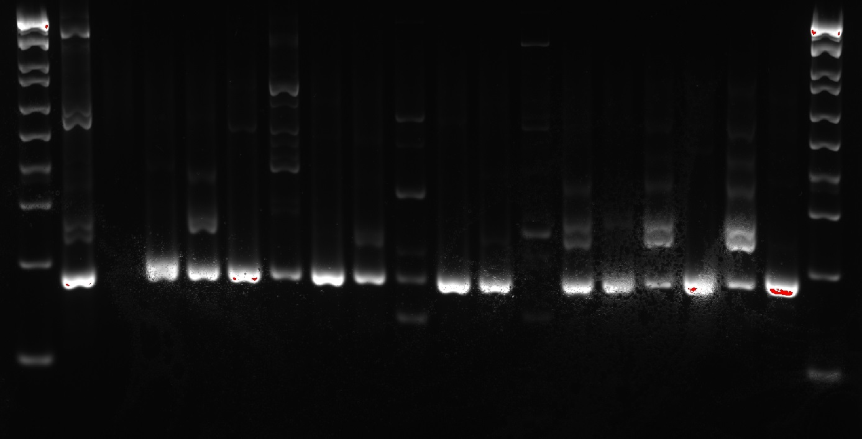
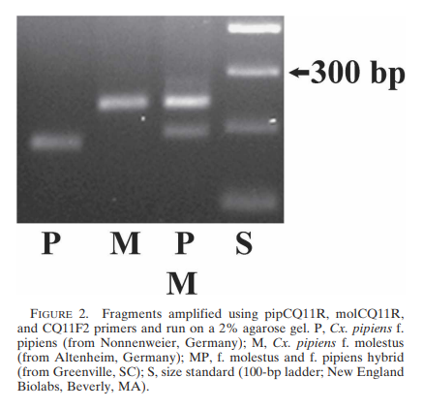
Here's the Master Mix recipe: |  |  |  | PCR Ran with "PhireMol" | # of Cycles: |  | 1 -> |  |  |  |  |  |  |  |  | <- 20
For Wells 1-20 |  |  |  | 5 min @ 98C | 1x
H20 | 5.6 | 123.2 |  | 5 sec @ 98C | 40x
Phire Animal Tissue PCR Buffer | 10 | 220 |  | 5 sec @ 54C | 40x
BF_mol_CQ11_RE | 1 | 22 |  | 20 sec @ 72C | 40x | Exposure TIme: 0.330 sec |  |  |  |  |  |  |  |  |  |  |  |  |  |  |  | Even without analyses, it seems really unlikely that molestus ancestry or hybridization is higher in the gravid or large EFL samples than in the diapausing samples. Are there other explanations that explains why these traits are higher in Cx. pipiens than other mosquito genera???
BF_pip_CQ11_RE | 1 | 22 |  | 1 min @ 72C | 1x
BF_pipmol_CQ11_FW2 | 1 | 22 |  | hold @ 4C | 1x
Phire Hot Start 2 | 0.4 | 8.8
Dilution DNA | 1

Made a 2% gel, as following the Bahnck & Fonseca 2006 execution (link here)
Ingredient: | Amount/Gel:
1x Borax Buffer Sln | 100 mL |  |  |  |  | Non-diapausing: | Diapausing:
Agarose | 2.00 g |  |  |  | Any Molestus hybridization: | 1 | 3
Gel Red | 8 µL |  |  |  | Pure Pipiens: | 7 | 5

Ran @ 150 V for 1.5 hours

2. Unpooling the most double-banded pooled samples:
Run Name: | Well: | Samples from Well:
Box #2 P#1 | 8 | 7.E3 & 7.E13 & 7.E10 & 7.E6
Box #2 P#2 & Box#3 P#1 | 12 | 9.A12 & 9.A2 & 9.A4 & 9.A5
Box #3 P#2 & Box#4 P#1 | 21 | 10.M66 & 10.M11 & 10.M83 & 10.M22 & 10.M8
Box #4 P#2 | 20 | 12.M19
Box #5 P#2 | 24 | 23.J5

Unpooling the Pooled Samples: Round #1
1 | 2 | 3 | 4 | 5 | 6 | 7 | 8 | 9 | 10 | 11 | 12 | 13 | 14 | 15 | 16 | 17 | 18 | 19 | 20
Ladder | Cx. pipiens C+ | Cx. restuans C+ | Cx. erraticus C+ | NTC | 7.E3 | 7.E13 | 7.E10 | 7.E6 | 9.A12 | 9.A2 | 9.A4 | 9.A5 | 10.M66 | 10.M11 | 10.M83 | 10.M22 | 10.M8 | 12.M19 | 23.J5
Genetic IDs: |  |  |  |  | erra | erra | pipiens | pipiens | erra | erra | erra | erra | Culex | erra | Culex | pipiens | pipiens | pipiens | pipiens

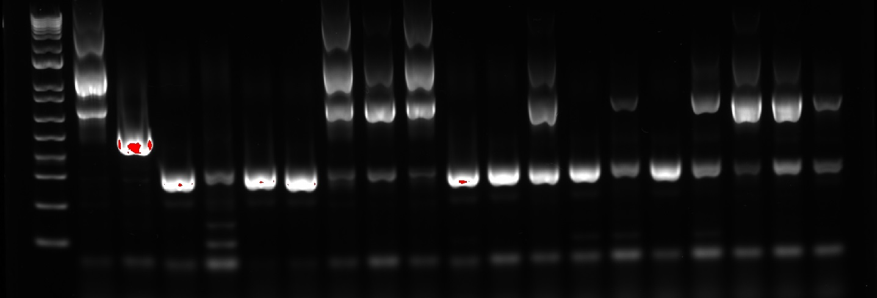
Here's the Master Mix recipe: |  |  |  | Exposure time: 0.200 sec |  | 1 |  |  |  |  |  |  | 20
For Wells 2-20:
H20 | 2.6 | 57.2
Phire Animal Tissue PCR Buffer | 10 | 220
Cx. Primer Univ RE | 1 | 22
Cx. Primer FW FW | 1 | 22
Cx. Primer FW FW2 | 1 | 22
Cx. Primer FW FW3 | 1 | 22
Cx. erra FW | 1 | 22
Cx. erra RE | 1 | 22
Phire Hot Start 2 | 0.4 | 8.8
Dilution DNA | 1

Didn't get around to making the gel today. Will do it tomorrow unless I'm sicker than I am today.

29 Dec 2022:
Sicker than yesterday, but at least I slept well. Gonna make then run the gel for Unpooled Pooled samples & make the PCRs for Box #1
In addition, going to make the PCR for MM's Box #6 C+ for Cx. erraticus
Box #1 P#1 Round #1:
Row #1:
1 | 2 | 3 | 4 | 5 | 6 | 7 | 8 | 9 | 10 | 11 | 12 | 13 | 14 | 15 | 16 | 17 | 18 | 19 | 20 | 21 | 22 | 23 | 24
Ladder | Cx. pipiens C+ | Cx. restuans C+ | Cx. erraticus C+ | NTC | 14.J1 | 14.J2 | 14.J3 | 14.J4 | 14.J5 | 14.J6 | 14.J7 | 14.J8 | 14.J9 | 14.J10 | 14.J11 | 14.J13 | 14.J21 | 15.C1 | 15.C2 | 15.C3 | 15.C4 | 15.N1 | 12.J22
Genetic IDs: |  |  |  |  | pipiens | pipiens | pipiens | pipiens | pipiens | pipiens | pipiens | pipiens | erraticus | pipiens | pipiens | erraticus | erraticus | erraticus | pipiens | erraticus | erraticus | pipiens | Culex
Row #2:
25 | 26 | 27 | 28 | 29 | 30 | 31 | 32 | 33 | 34 | 35 | 36 | 37 | 38 | 39 | 40 | 41 | 42 | 43 | 44 | 45 | 46 | 47 | 48
Ladder | Cx. pipiens C+ | Cx. restuans C+ | Cx. erraticus C+ | NTC | 12.A22 | 9.L2 | 9.L1 | 9.L8 | 9.M36 | 9.M23 | 9.M20 | 9.M9 | 9.A49 | 9.A48 | 9.A45 | 9.A41 | 9.A40 | 9.A37 | 9.A9 | 9.C8 | 9.I13 | 9.I21 | 9.C15
Genetic IDs: |  |  |  |  | pipiens | pipiens | erraticus | pipiens | erraticus | erraticus | pipiens | pipiens | Culex | restuans | Culex | erraticus | erraticus | salinarius | Culex | erraticus | erraticus | erraticus | pipiens or erraticus
Gel #2:
Row #1:
49 | 50 | 51 | 52 | 53 | 54 | 55 | 56 | 57 | 58 | 59 | 60 | 61 | 62 | 63 | 64 | 65 | 66 | 67 | 68 | 69 | 70 | 71 | 72
Ladder | Cx. pipiens C+ | Cx. restuans C+ | Cx. erraticus C+ | NTC | 7.M1 | 16.N5 | 31.E16 | 31.E17 | 31.E18 | 31.E19 | 31.E20 | 31.E21 | 31.E22 | 31.E23 | 31.E24 | 26.E1 | 8.L2 | 8.L9 | 8.L10 | 8.L6 | 8.L13 | 8.L16 | 8.L17
Genetic IDs: |  |  |  |  | erraticus | pipiens | restuans | restuans | restuans | restuans | restuans | restuans | restuans | restuans | restuans | restuans | erraticus | erraticus | pipiens | erraticus | erraticus | erraticus | erraticus
Row #2:
73 | 74 | 75 | 76 | 77 | 78 | 79 | 80 | 81 | 82 | 83 | 84 | 85 | 86 | 87 | 88 | 89 | 90 | 91 | 92 | 93 | 94 | 95 | 96
Ladder | Cx. pipiens C+ | Cx. restuans C+ | Cx. erraticus C+ | NTC | 8.L19 | 8.L21 | 8.M2 | 8.L11 | 8.L5 | 8.L3 | 8.L4 | 8.L1 | 9.L10 | 9.L6 | 9.L5 | 9.L4 | 9.L3 | 13.J54 | 31.E15 | 7.E1 | 7.C2 | 7.E2 | 7.E11
Genetic IDs: |  |  |  |  | erraticus | erraticus | erraticus | erraticus | erraticus | Culex | erraticus | pipiens | erraticus | erraticus | erraticus | erraticus | erraticus | pipiens | Culex | erraticus | pipiens | erraticus | erraticus
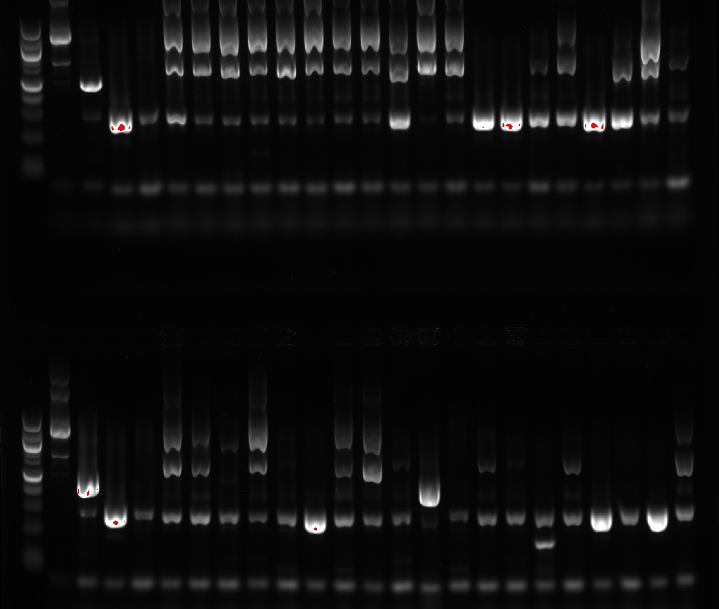
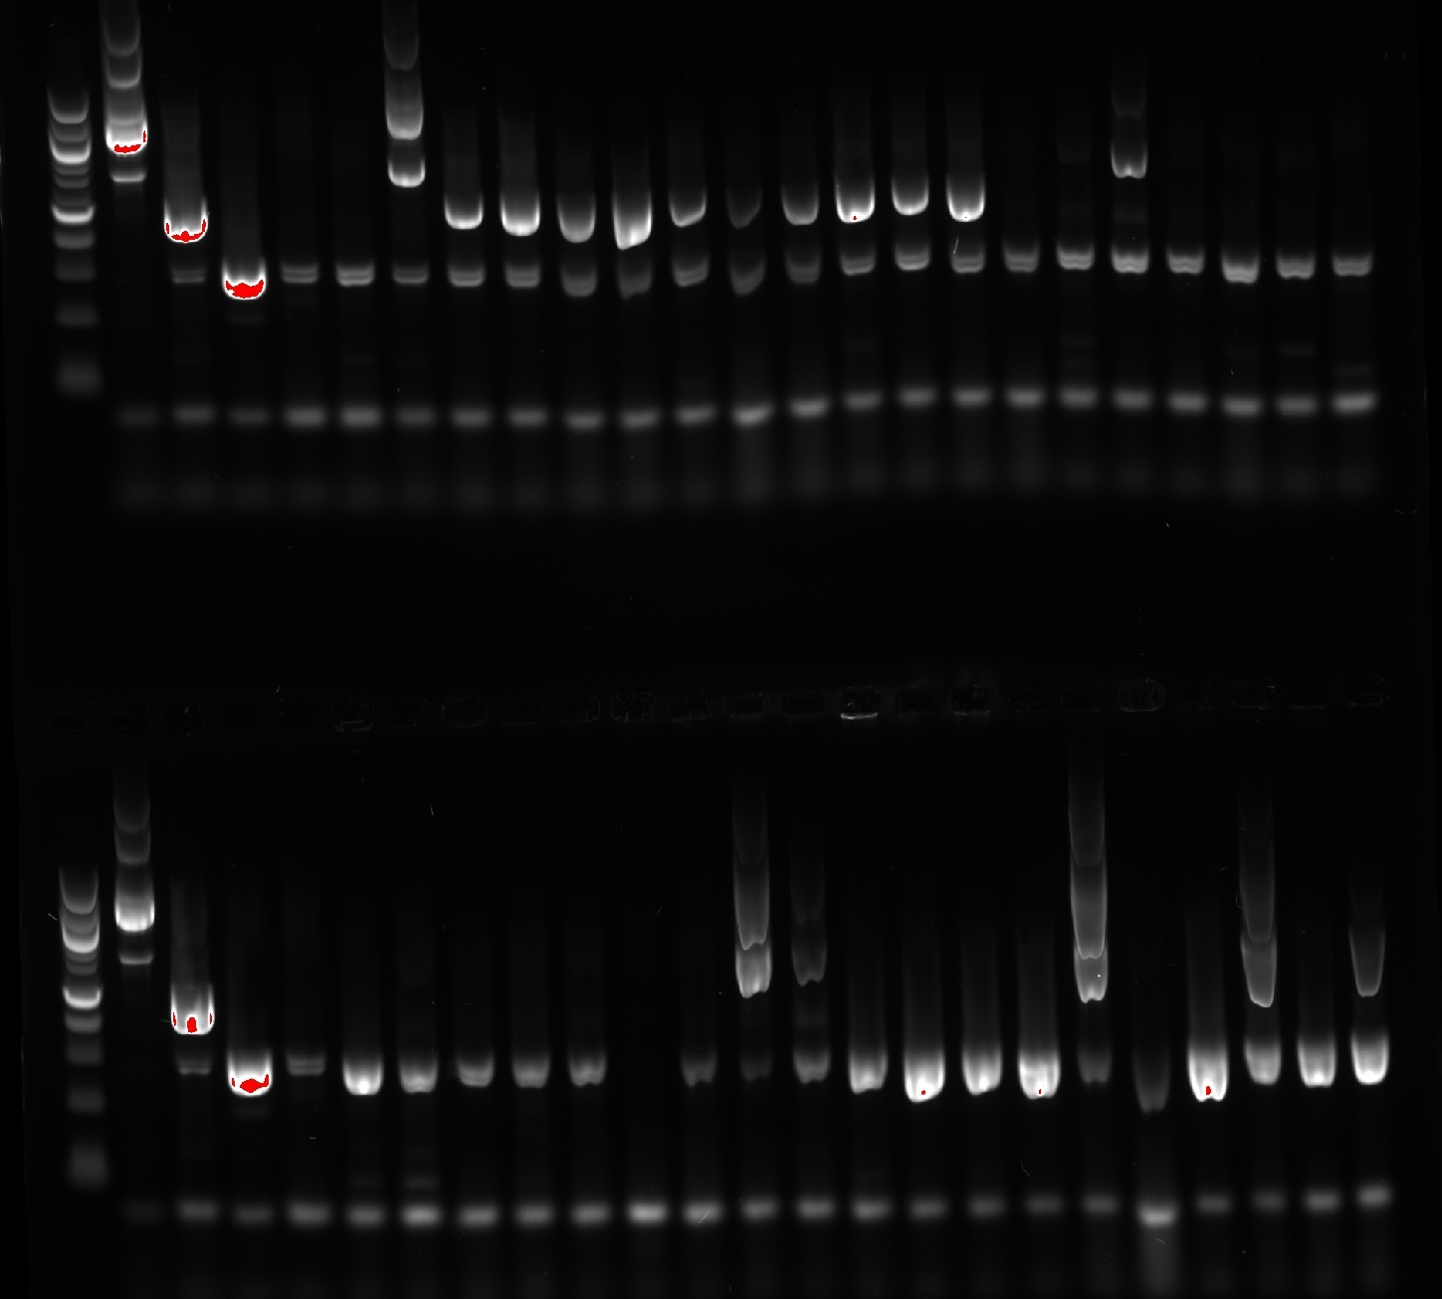
Here's the Master Mix recipe:
For Wells 2-96: |  |  |  |  | 1 -> |  |  |  |  |  | <- 24 |  | 49-> |  |  |  |  |  | <- 72
H20 | 2.6 | 263.12 | Y
Phire Animal Tissue PCR Buffer | 10 | 1012 | Y
Cx. Primer Univ RE | 1 | 101.2 | Y
Cx. Primer FW FW | 1 | 101.2 | Y
Cx. Primer FW FW2 | 1 | 101.2 | Y
Cx. Primer FW FW3 | 1 | 101.2 | Y
Cx. erra FW | 1 | 101.2 | Y
Cx. erra RE | 1 | 101.2 | Y
Phire Hot Start 2 | 0.4 | 40.48
Dilution DNA | 1
 |  |  |  |  | 25 -> |  |  |  |  |  | <- 48 |  | 73 -> |  |  |  |  |  | <- 96
Note: Wells 2,3, & 26 have had their contents transferred from an improper gel

Megan's Run: | I can't interpret this... | Will run again with new gels that aren't soaked in 1x buffer sln and will be more careful removing the combs, and have them harden for 45 minutes (same as this run)
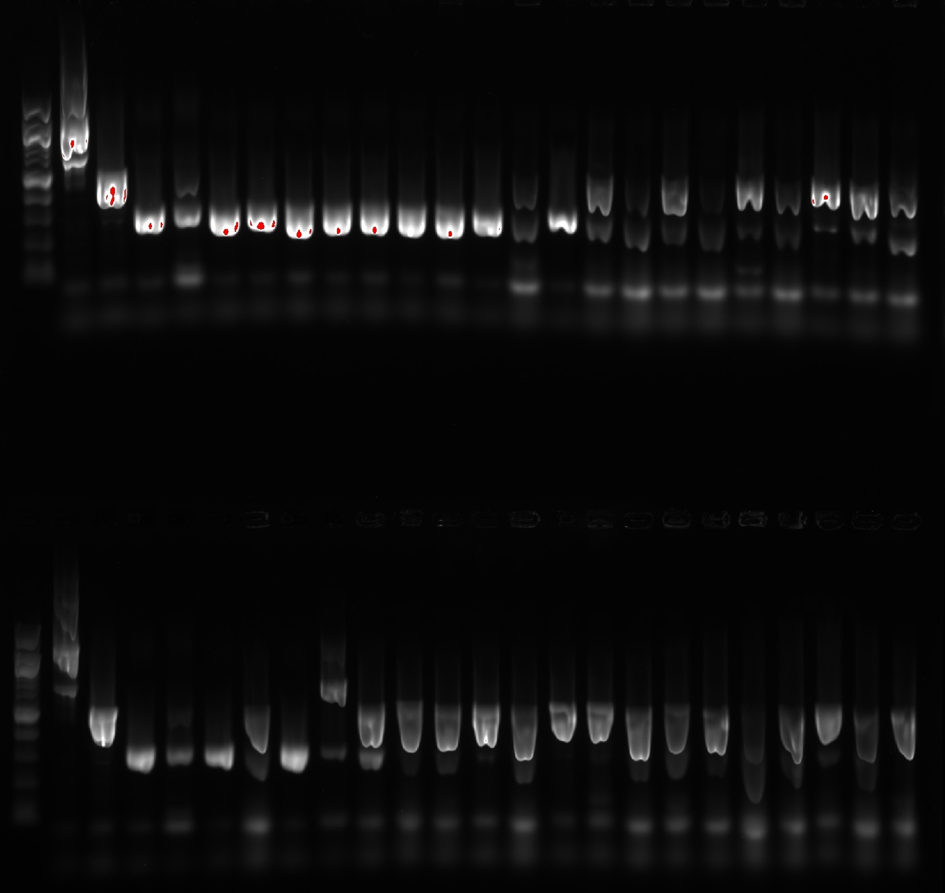
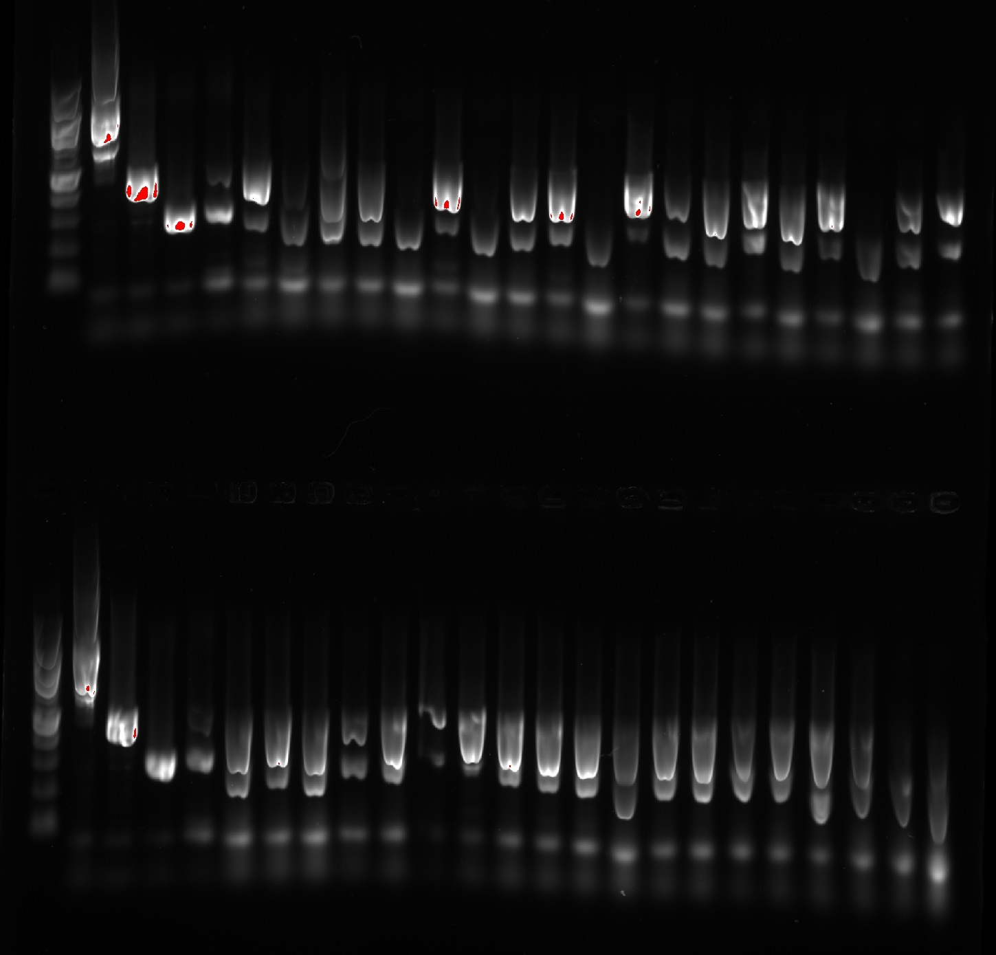

For Future Reference, will store the gels using Matt's Technique: |  |  |  | This method should work for ~2 days of storage. He has mostly used with harder gels that likely retain their agarose matrices better, so who knows how well this'll work for 1% gels
1. Soak Paper towels in 1x Buffer Sln
2. Place Soaked Paper towels on the acrylic part of the gel mold (gel still in mold)
3. Place in a Ziplock Bag and remove as much air as possible without having the Ziplock bag touch the gel

30 Dec 2022:
Remade the gels so both were 24 welled w/ 2 rows and not soaked in the buffer overnight

Box #1 P#2 Round #1:
Row #1:
1 | 2 | 3 | 4 | 5 | 6 | 7 | 8 | 9 | 10 | 11 | 12 | 13 | 14 | 15 | 16 | 17 | 18 | 19 | 20 | 21 | 22 | 23 | 24
Ladder | Cx. pipiens C+ | Cx. restuans C+ | Cx. erraticus C+ | NTC | 7.E7 | 11.M4 | 11.M8 | 11.M22 | 12.M8 | 12.M14 | 12.M17 | 12.M23 | 8.L22 | 7.E5 | 7.E8 | 18.J9 | 11.E12 | 30.C2 | 30.C3
Genetic IDs: |  |  |  |  | pipiens | pipiens | erraticus | pipiens | pipiens | pipiens | pipiens | pipiens | erraticus | pipiens | erraticus | erraticus | erraticus | restuans | restuans

H20 | 2.6 | 57.2 | Y |  | Note: | 30.C4
Phire Animal Tissue PCR Buffer | 10 | 220 | Y |  | 30.C4 not found in Box #1. Sample Missing!
Cx. Primer Univ RE | 1 | 22 | Y |  | 2 Jan Update: Nvm, Megan used it for Well #96 in her run
Cx. Primer FW FW | 1 | 22 | Y
Cx. Primer FW FW2 | 1 | 22 | Y |  |  |  |  |  | 1 |  |  |  |  |  |  |  | 20
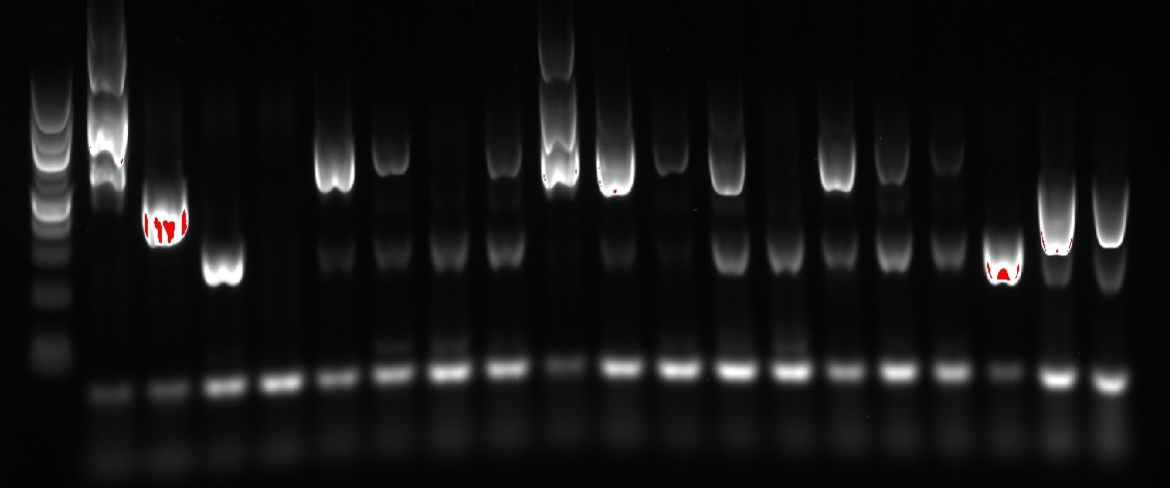
Cx. Primer FW FW3 | 1 | 22 | Y
Cx. erra FW | 1 | 22 | Y |  |  |  | Exposure Time: 0.200
Cx. erra RE | 1 | 22 | Y
Phire Hot Start 2 | 0.4 | 8.8 | Y
Dilution DNA | 1

2023-01-02
Re-Ran MM's PCR product with new gels & new controls & NTC:
Results:
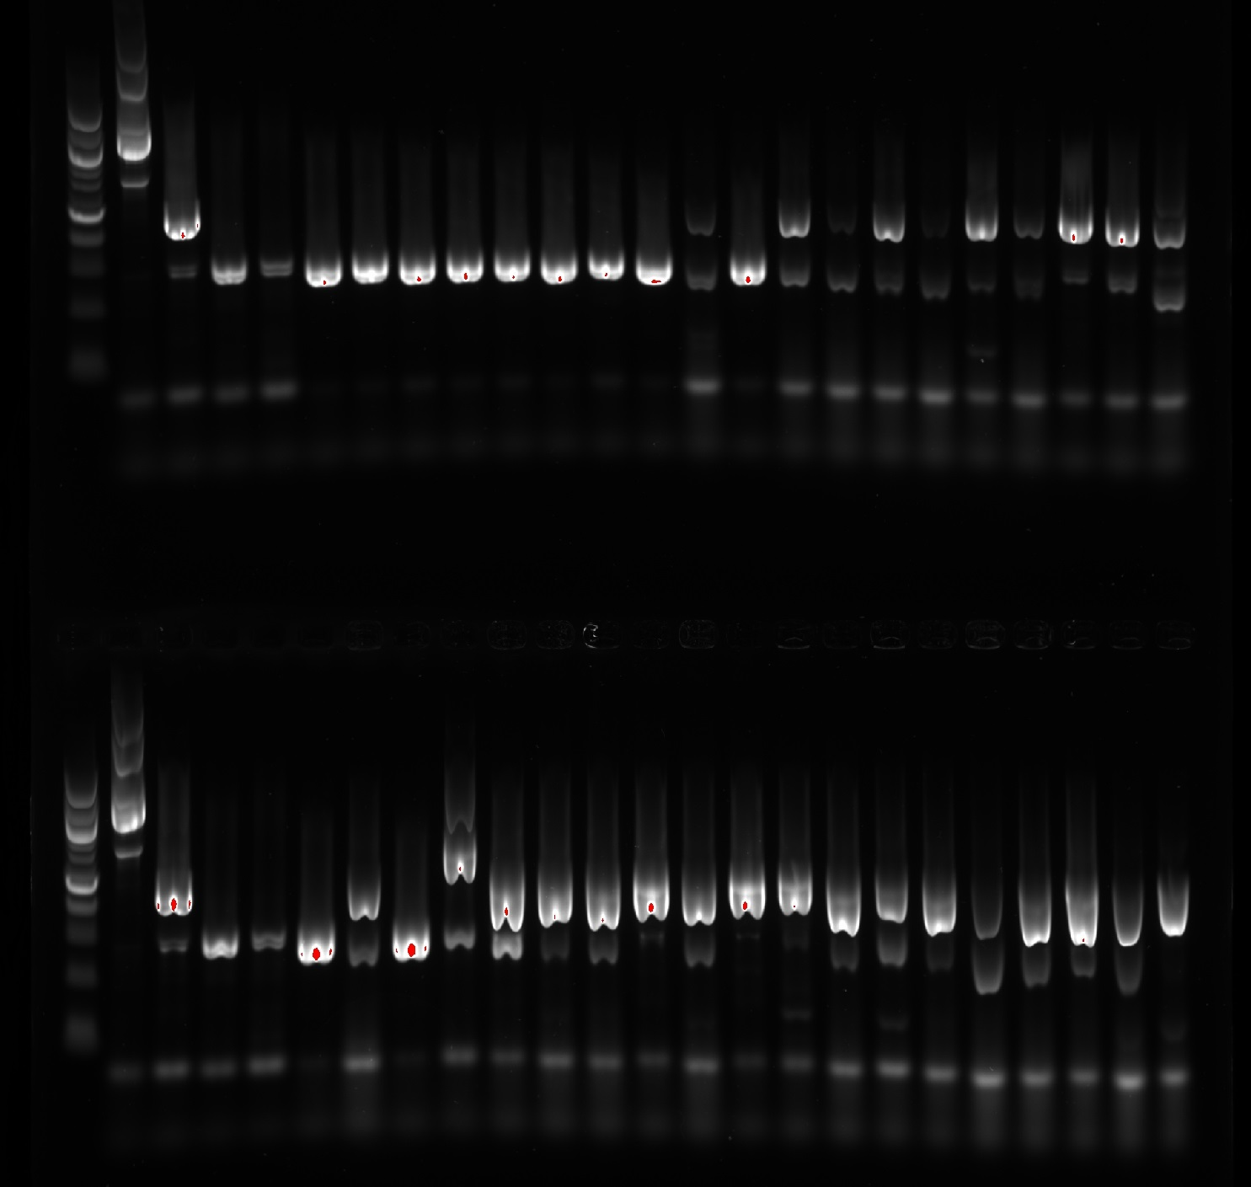
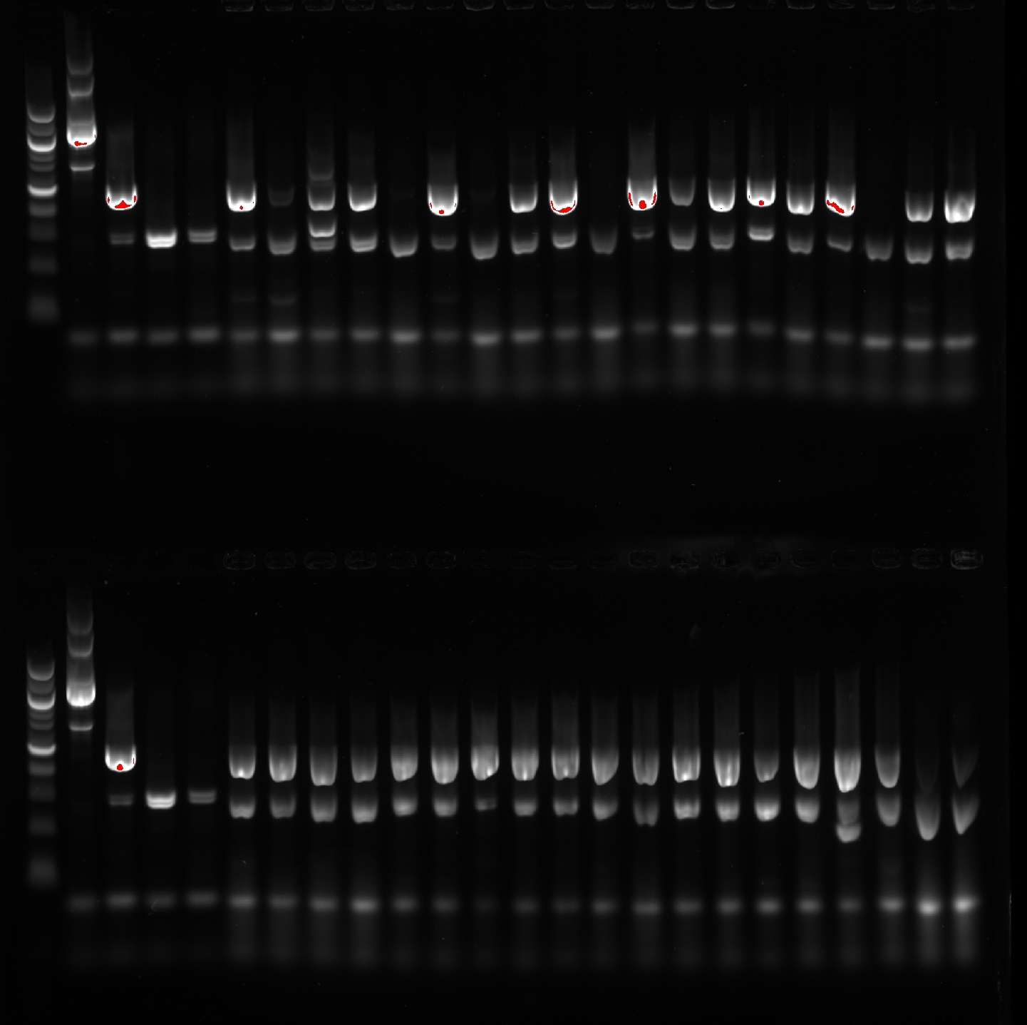

 |  |  | 1 -> |  |  |  |  |  |  |  |  |  | <- 24 | 49 -> |  |  |  |  |  |  |  |  |  | <- 72

 |  |  | 24 -> |  |  |  |  |  |  |  |  |  | <- 48 | 73 -> |  |  |  |  |  |  |  |  |  | <- 96

Rewriting MM's samples in my own notebook...
Box #6 Round #2:
Row #1:
1 | 2 | 3 | 4 | 5 | 6 | 7 | 8 | 9 | 10 | 11 | 12 | 13 | 14 | 15 | 16 | 17 | 18 | 19 | 20 | 21 | 22 | 23 | 24
Ladder | Cx. pipiens C+ | Cx. restuans C+ | Cx. erraticus C+ | NTC | 24.I7 | 24.I6 | 24.I5 | 24.I3 | 24.I4 | 25.I6 | 25.I5 | 25.I4 | 26.C1 | 27.I2 | 28.C1 | 28.E1 | 29.C3 | 29.C4 | 29.C5 | 29.E5 | 29.E6 | 29.E7 | 29.E8
Genetic IDs: |  |  |  |  | erraticus | erraticus | erraticus | erraticus | erraticus | erraticus | erraticus | erraticus | restuans | erraticus | restuans | restuans | restuans | Culex | restuans | restuans | restuans | restuans | restuans
Row #2: |  |  |  |  | Note: Labelled in MM's notes as "24".C1, but that's not an option, so I'm assuming it's 24.I7, for now |  |  |  |  |  |  |  |  |  |  |  |  | Morph was HC for restuans, so I'm sticking with it on the official form
25 | 26 | 27 | 28 | 29 | 30 | 31 | 32 | 33 | 34 | 35 | 36 | 37 | 38 | 39 | 40 | 41 | 42 | 43 | 44 | 45 | 46 | 47 | 48
Ladder | Cx. pipiens C+ | Cx. restuans C+ | Cx. erraticus C+ | NTC | 29.I1 | 29.J8 | 29.J9 | 29.J10 | 30.E18 | 31.K3 | 31.K4 | 31.K5 | 31.J3 | 31.J4 | 31.J6 | 31.J5 | 31.I11 | 31.C7 | 31.C5 | 31.C6 | 31.A7 | 31.A8 | 31.A5
Genetic IDs: |  |  |  |  | erraticus | restuans | erraticus | pipiens | restuans | restuans | restuans | restuans | restuans | restuans | restuans | restuans | restuans | restuans | restuans | restuans | restuans | restuans | restuans
Gel #2:
Row #1:
49 | 50 | 51 | 52 | 53 | 54 | 55 | 56 | 57 | 58 | 59 | 60 | 61 | 62 | 63 | 64 | 65 | 66 | 67 | 68 | 69 | 70 | 71 | 72
Ladder | Cx. pipiens C+ | Cx. restuans C+ | Cx. erraticus C+ | NTC | 31.A6 | 30.J2 | 30.J3 | 30.I5 | 30.I6 | 30.E13 | 30.E14 | 30.E15 | 30.E16 | 30.E17 | 31.M2 | 31.M1 | 31.N6 | 31.N7 | 31.N8 | 31.N5 | 32.A3 | 32.A4 | 32.A5
Genetic IDs: |  |  |  |  | restuans | restuans | restuans | restuans | erraticus | restuans | erraticus | restuans | restuans | Culex | restuans | restuans | restuans | restuans | restuans | restuans | erraticus | restuans | restuans
Row #2: |  |  |  |  |  |  |  |  |  |  |  |  |  |  |  |  |  |  |  |  | Morph was HC for restuans, so I'm sticking with it on the official form, especially given that the banding is as faint as the NTC
73 | 74 | 75 | 76 | 77 | 78 | 79 | 80 | 81 | 82 | 83 | 84 | 85 | 86 | 87 | 88 | 89 | 90 | 91 | 92 | 93 | 94 | 95 | 96
Ladder | Cx. pipiens C+ | Cx. restuans C+ | Cx. erraticus C+ | NTC | 32.A6 | 32.C4 | 32.C5 | 32.C6 | 32.I6 | 32.I7 | 32.I8 | 32.I9 | 32.I10 | 32.I11 | 32.I12 | 32.I13 | 32.I14 | 32.I15 | 32.I16 | 32.I17 | 32.K1 | 32.K2 | 30.C4
Genetic IDs: |  |  |  |  | restuans | restuans | restuans | restuans | restuans | restuans | restuans | restuans | restuans | restuans | restuans | restuans | restuans | restuans | restuans | restuans | restuans | Culex | restuans
 |  |  |  |  |  |  |  |  |  |  |  |  |  |  |  |  |  |  |  |  |  | Morph was HC for restuans, so I'm sticking with it on the official form, especially since it just looks like a faint restuans already

